CR3-1
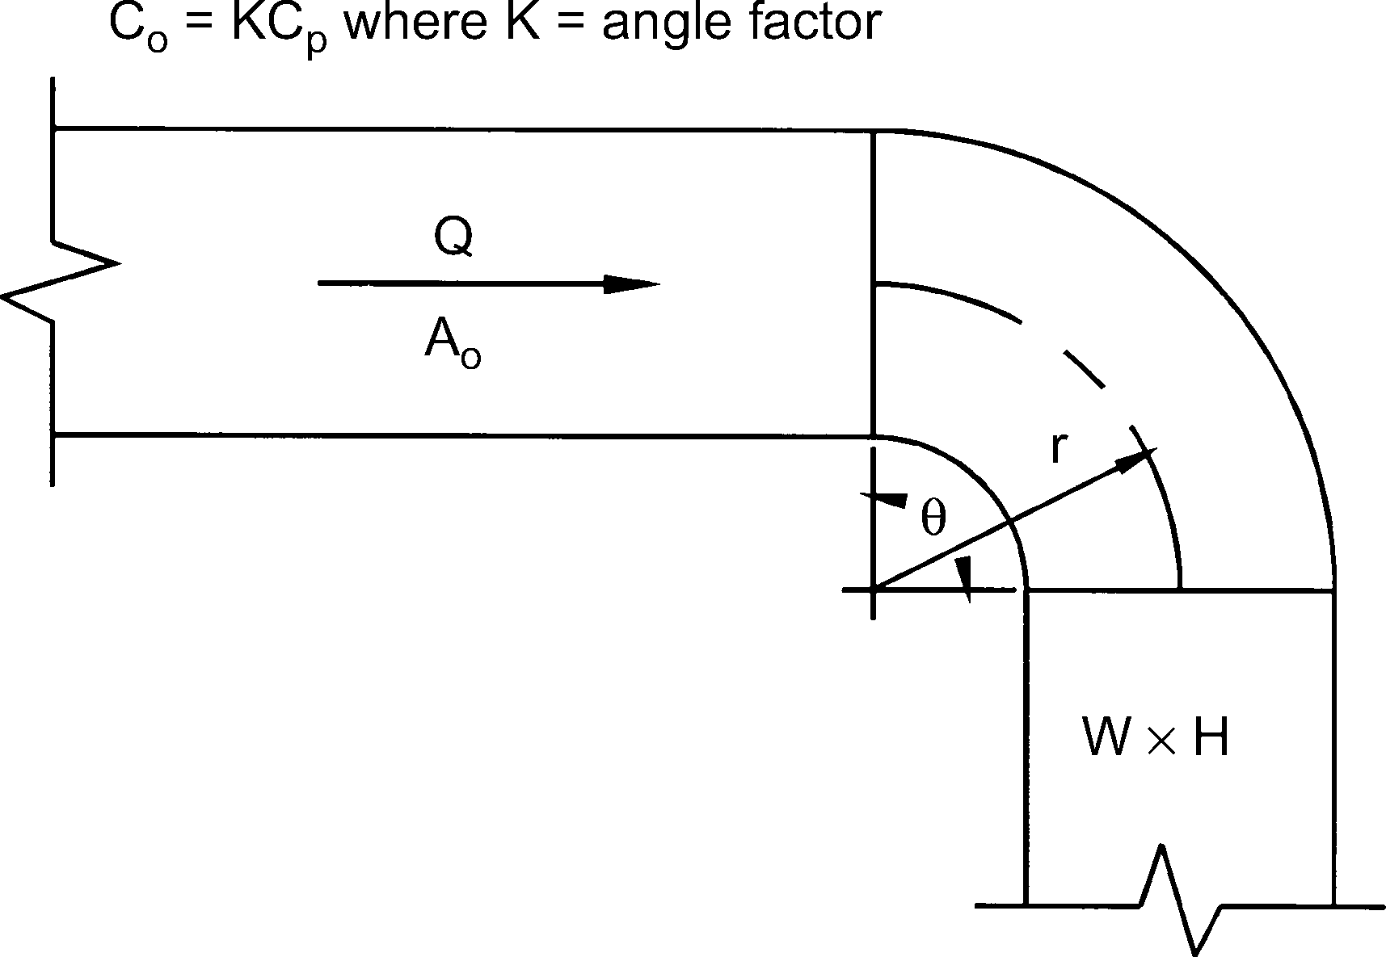
Elbow, Smooth Radius, Without Vanes
Cp Values
r/W | H/W
 | 0.25 | 0.50 | 0.75 | 1.00 | 1.50 | 2.00 | 3.00 | 4.00 | 5.00 | 6.00 | 8.00
0.50 | 1.53 | 1.38 | 1.29 | 1.18 | 1.06 | 1.00 | 1.00 | 1.06 | 1.12 | 1.16 | 1.18
0.75 | 0.57 | 0.52 | 0.48 | 0.44 | 0.40 | 0.39 | 0.39 | 0.40 | 0.42 | 0.43 | 0.44
1.00 | 0.27 | 0.25 | 0.23 | 0.21 | 0.19 | 0.18 | 0.18 | 0.19 | 0.20 | 0.21 | 0.21
1.50 | 0.22 | 0.20 | 0.19 | 0.17 | 0.15 | 0.14 | 0.14 | 0.15 | 0.16 | 0.17 | 0.17
2.00 | 0.20 | 0.18 | 0.16 | 0.15 | 0.14 | 0.13 | 0.13 | 0.14 | 0.14 | 0.15 | 0.15

Angle Factor K
θ | 0 | 20 | 30 | 45 | 60 | 75 | 90 | 110 | 130 | 150 | 180
K | 0.00 | 0.31 | 0.45 | 0.60 | 0.78 | 0.90 | 1.00 | 1.13 | 1.20 | 1.28 | 1.40

CR3-3
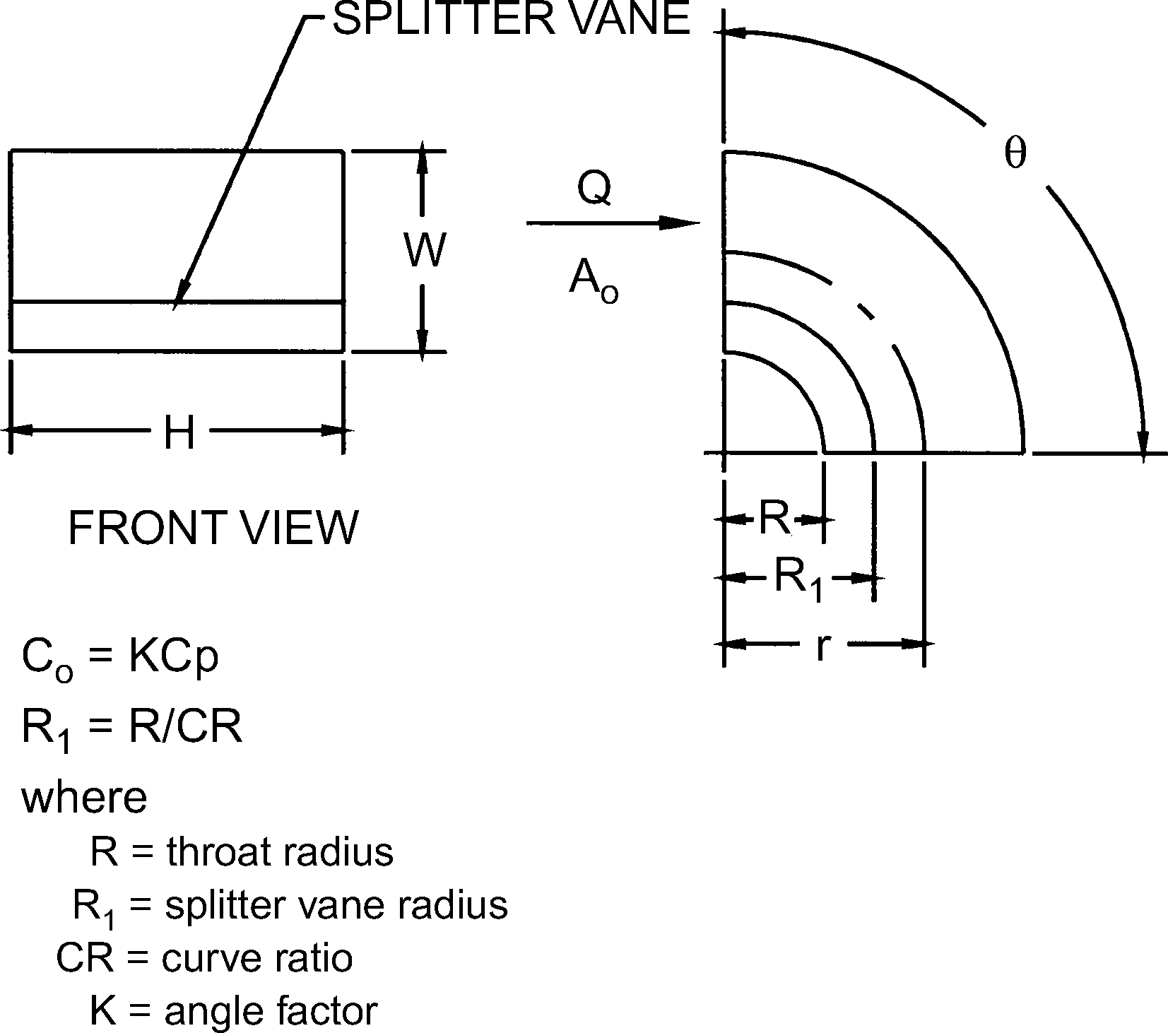
Elbow, Smooth Radius, One Splitter Vane
Cp Values
r /W | H/W
 | 0.25 | 0.5 | 1 | 1.5 | 2 | 3 |  | 4 | 5 | 6 | 7 | 8
0.55 | 0.52 | 0.4 | 0.43 | 0.49 | 0.55 | 0.66 |  | 0.75 | 0.84 | 0.93 | 1.01 | 1.09
0.6 | 0.36 | 0.27 | 0.25 | 0.28 | 0.3 | 0.35 |  | 0.39 | 0.42 | 0.46 | 0.49 | 0.52
0.65 | 0.28 | 0.21 | 0.18 | 0.19 | 0.2 | 0.22 |  | 0.25 | 0.26 | 0.28 | 0.3 | 0.32
0.7 | 0.22 | 0.16 | 0.14 | 0.14 | 0.15 | 0.16 |  | 0.17 | 0.18 | 0.19 | 0.2 | 0.21
0.75 | 0.18 | 0.13 | 0.11 | 0.11 | 0.11 | 0.12 |  | 0.13 | 0.14 | 0.14 | 0.15 | 0.15
0.8 | 0.15 | 0.11 | 0.09 | 0.09 | 0.09 | 0.09 |  | 0.1 | 0.1 | 0.11 | 0.11 | 0.12
0.85 | 0.13 | 0.09 | 0.08 | 0.07 | 0.07 | 0.08 |  | 0.08 | 0.08 | 0.08 | 0.09 | 0.09
0.9 | 0.11 | 0.08 | 0.07 | 0.06 | 0.06 | 0.06 |  | 0.06 | 0.07 | 0.07 | 0.07 | 0.07
0.95 | 0.1 | 0.07 | 0.06 | 0.05 | 0.05 | 0.05 |  | 0.05 | 0.05 | 0.06 | 0.06 | 0.06
1 | 0.09 | 0.06 | 0.05 | 0.05 | 0.04 | 0.04 |  | 0.04 | 0.05 | 0.05 | 0.05 | 0.05

Angle Factor K
θ | 0 | 30 | 45 | 60 | 90
K | 0 | 0.45 | 0.6 | 0.78 | 1

Curve Ratio CR
r /W | 0.55 | 0.6 | 0.65 | 0.7 | 0.75 | 0.8 | 0.85 | 0.9 | 0.95 | 1
CR | 0.218 | 0.302 | 0.361 | 0.408 | 0.447 | 0.48 | 0.509 | 0.535 | 0.557 | 0.577

Throat Radius/Width Ratio (R/W)
r /W | 0.55 | 0.6 | 0.65 | 0.7 | 0.75 | 0.8 | 0.85 | 0.9 | 0.95 | 1
R/W | 0.05 | 0.1 | 0.15 | 0.2 | 0.25 | 0.3 | 0.35 | 0.4 | 0.45 | 0.5

CR3-6
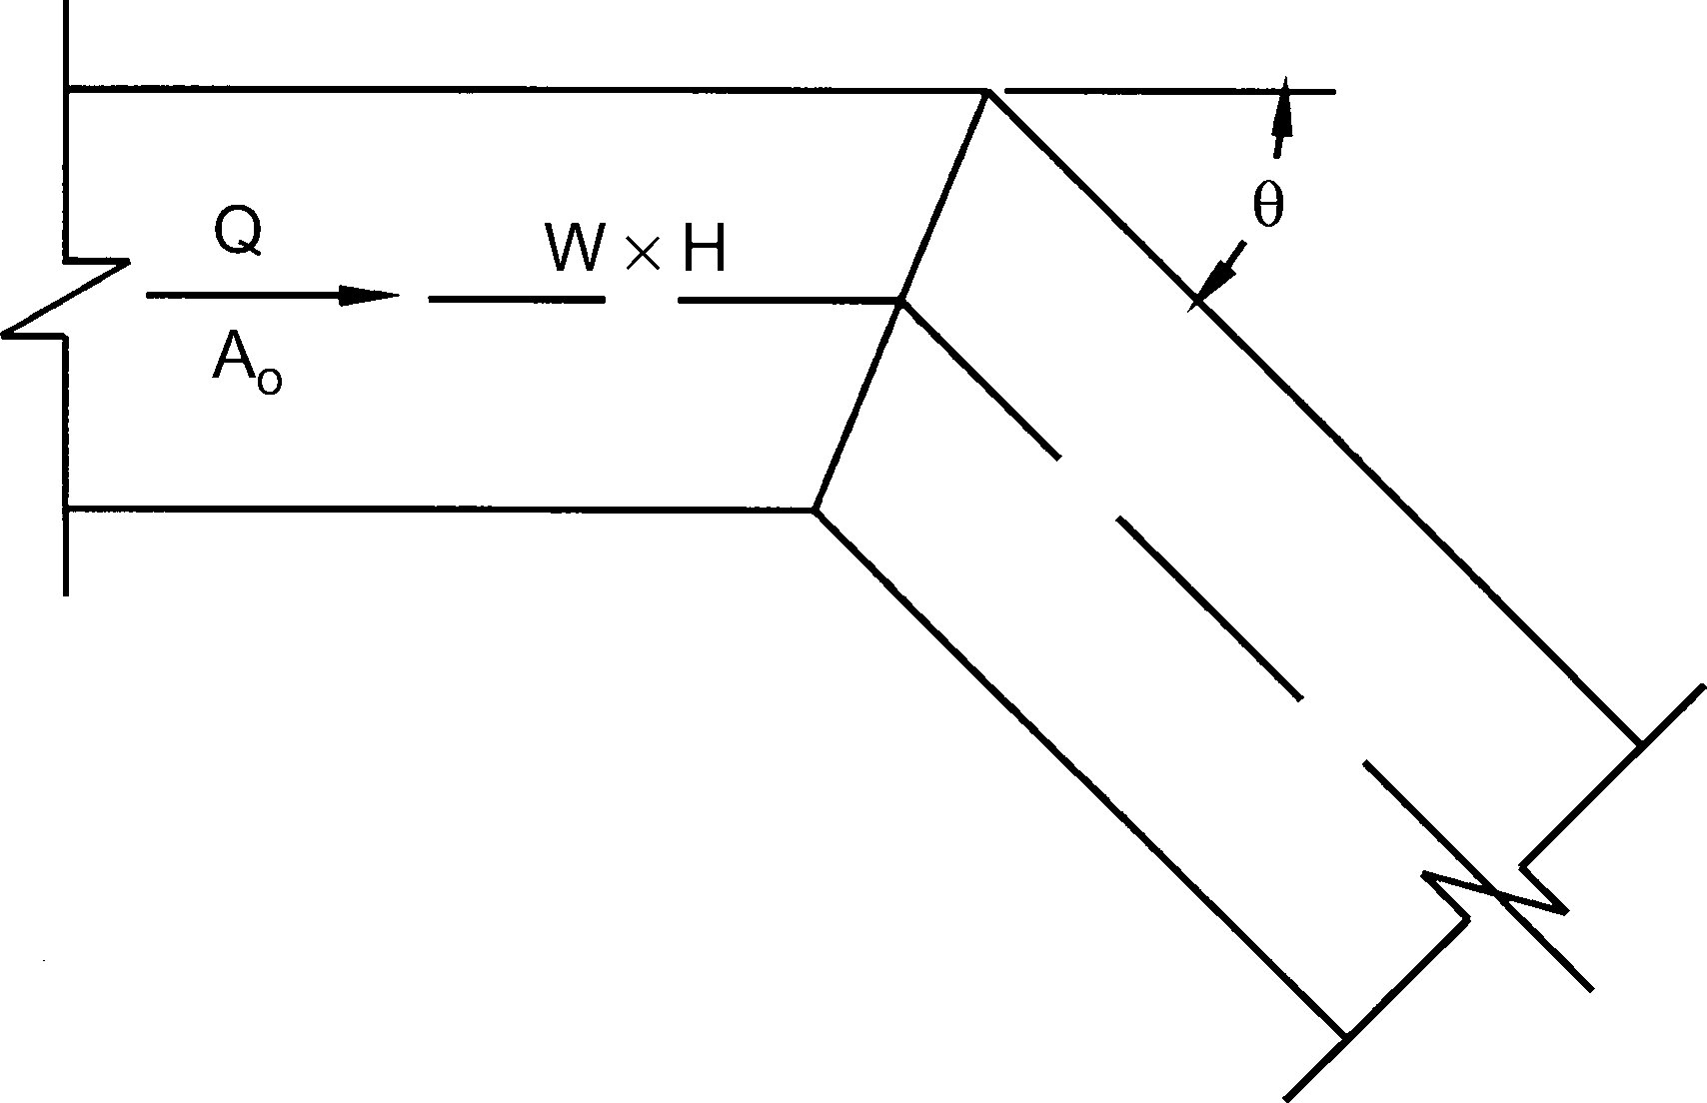
Elbow, Mitered
Co Values
θ | H/W
 | 0.25 | 0.50 | 0.75 | 1.00 | 1.50 | 2.00 | 3.00 | 4.00 | 5.00 | 6.00 | 8.00
20 | 0.08 | 0.08 | 0.08 | 0.07 | 0.07 | 0.07 | 0.06 | 0.06 | 0.05 | 0.05 | 0.05
30 | 0.18 | 0.17 | 0.17 | 0.16 | 0.15 | 0.15 | 0.13 | 0.13 | 0.12 | 0.12 | 0.11
45 | 0.38 | 0.37 | 0.36 | 0.34 | 0.33 | 0.31 | 0.28 | 0.27 | 0.26 | 0.25 | 0.24
60 | 0.6 | 0.59 | 0.57 | 0.55 | 0.52 | 0.49 | 0.46 | 0.43 | 0.41 | 0.39 | 0.38
75 | 0.89 | 0.87 | 0.84 | 0.81 | 0.77 | 0.73 | 0.67 | 0.63 | 0.61 | 0.58 | 0.57
90 | 1.3 | 1.27 | 1.23 | 1.18 | 1.13 | 1.07 | 0.98 | 0.92 | 0.89 | 0.85 | 0.83

CR3-9
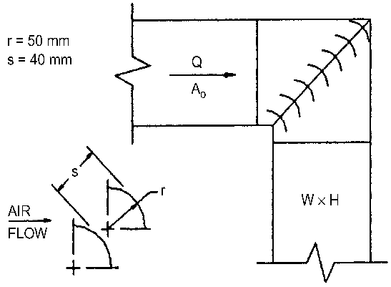
Elbow, Mitered, 90 Degree, Single-Thickness Vanes (38 mm Vane Spacing)
Co
0.11

CR3-12
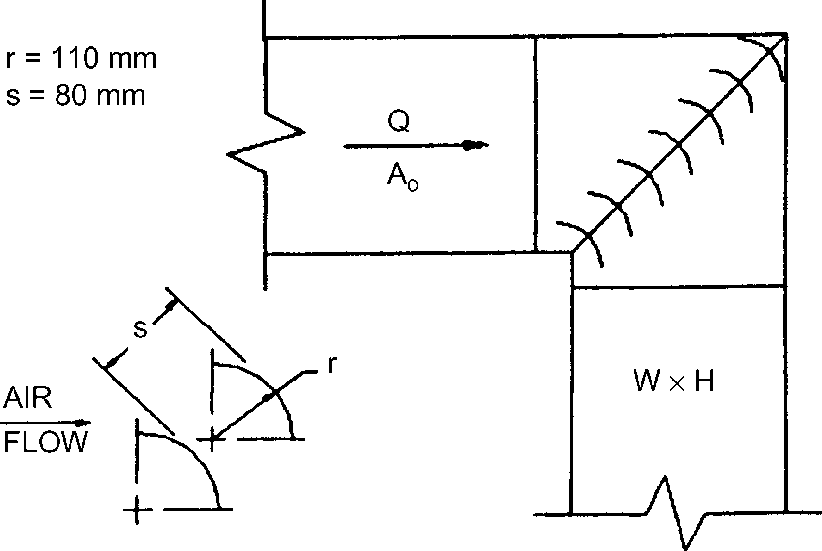
Elbow, Mitered, 90 Degree, Single-Thickness Vanes (83 mm Vane Spacing)
Co
0.33

CR3-15
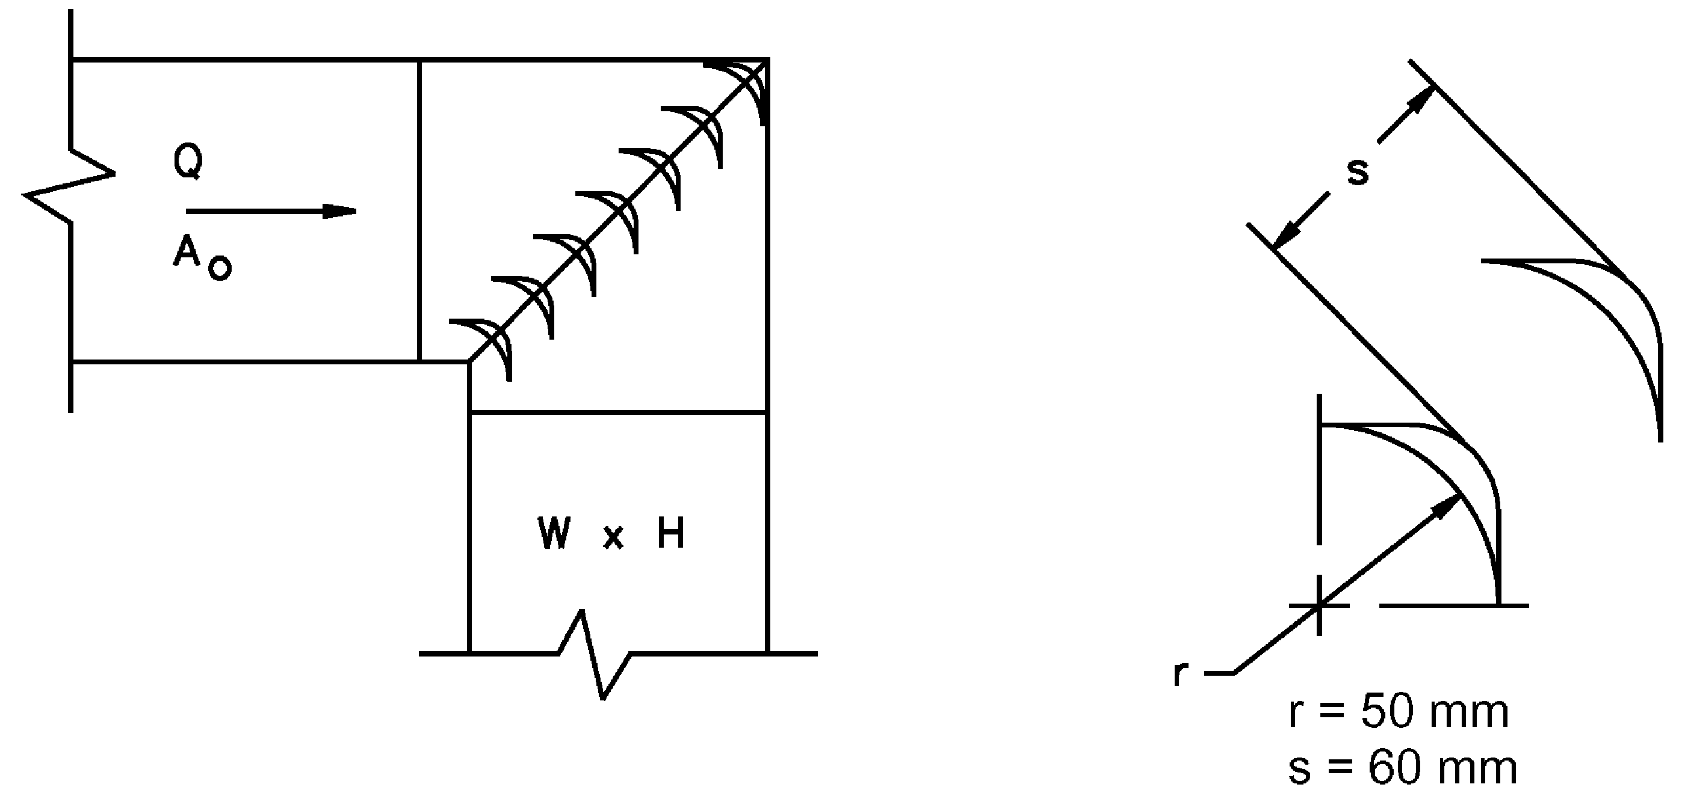
Elbow, Mitered, 90 Degree, Double-Thickness Vanes (54 mm Vane Spacing)
Co
0.25

CR3-16
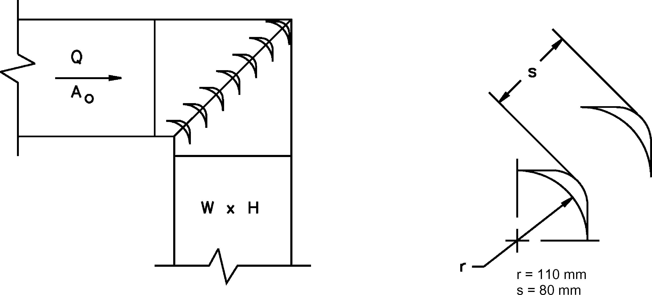
Elbow, Mitered, 90 Degree, Double-Thickness Vanes (83 mm Vane Spacing)
Co
0.41

CR6-1
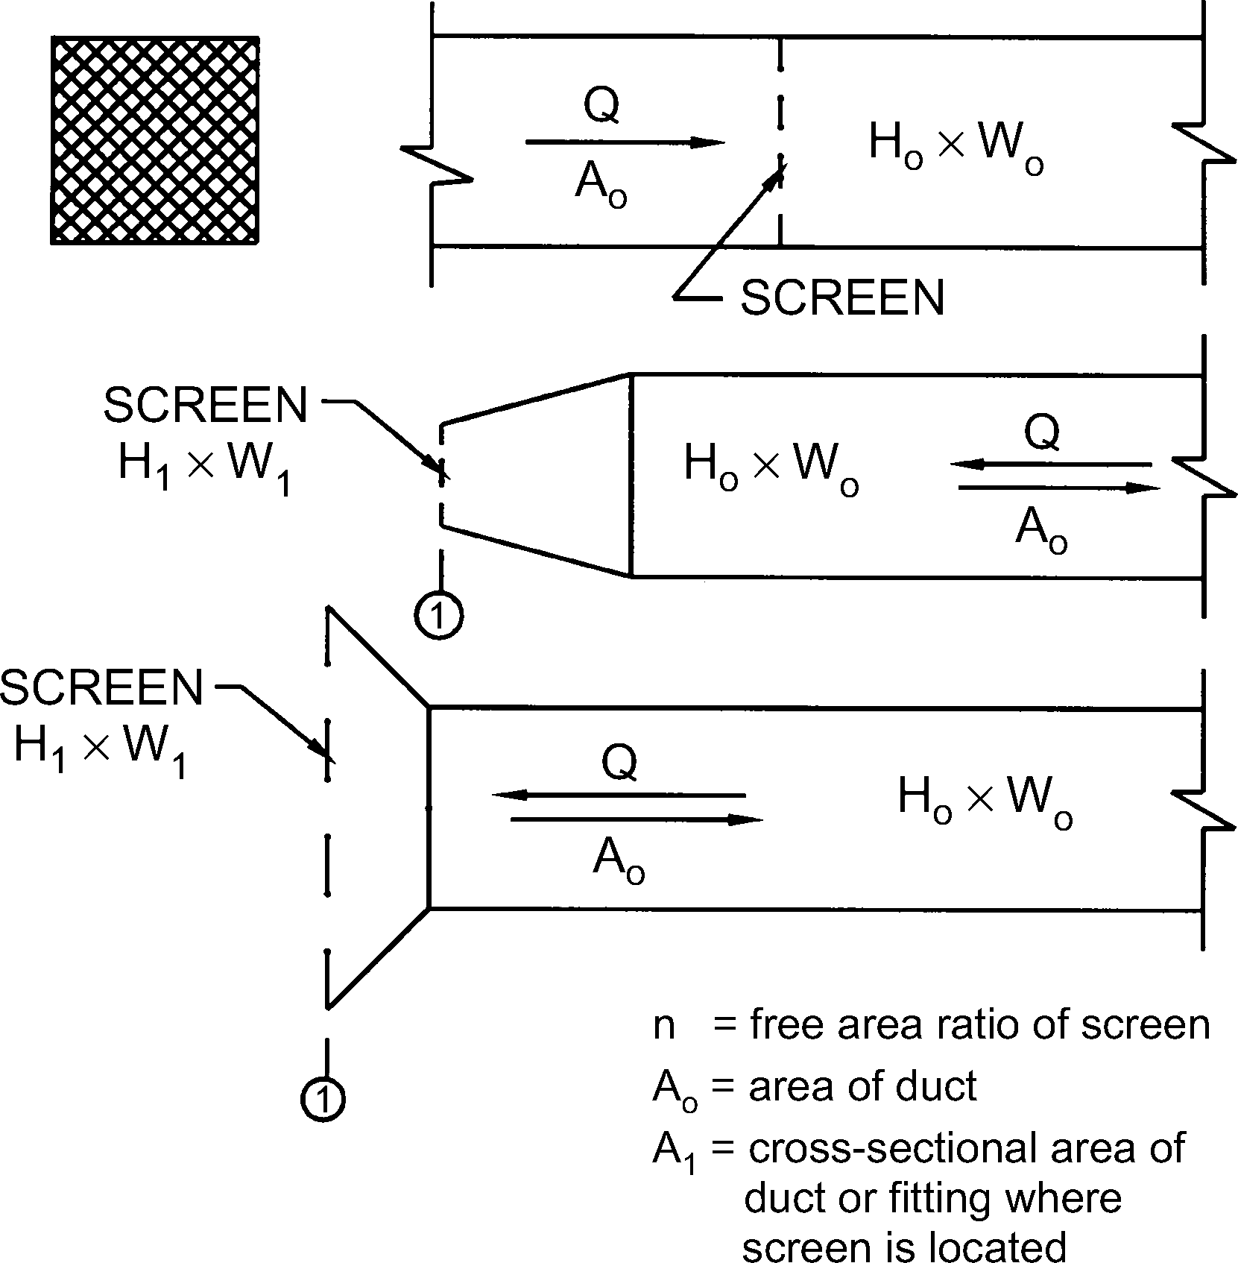
Screen (Only)
Co Values
A1/Ao | n
 | 0.30 | 0.35 | 0.40 | 0.45 | 0.50 | 0.55 | 0.60 | 0.65 | 0.70 | 0.75 | 0.80 | 0.85 | 0.90
0.2 | 155.00 | 102.50 | 75.00 | 55.00 | 41.25 | 31.50 | 24.25 | 18.75 | 14.50 | 11.00 | 8.00 | 3.50 | 0.00
0.3 | 68.89 | 45.56 | 33.33 | 24.44 | 18.33 | 14.00 | 10.78 | 8.33 | 6.44 | 4.89 | 3.56 | 1.56 | 0.00
0.4 | 38.75 | 25.63 | 18.75 | 13.75 | 10.31 | 7.88 | 6.06 | 4.69 | 3.63 | 2.75 | 2.00 | 0.88 | 0.00
0.5 | 24.80 | 16.40 | 12.00 | 8.80 | 6.60 | 5.04 | 3.88 | 3.00 | 2.32 | 1.76 | 1.28 | 0.56 | 0.00
0.6 | 17.22 | 11.39 | 8.33 | 6.11 | 4.58 | 3.50 | 2.69 | 2.08 | 1.61 | 1.22 | 0.89 | 0.39 | 0.00
0.7 | 12.65 | 8.37 | 6.12 | 4.49 | 3.37 | 2.57 | 1.98 | 1.53 | 1.18 | 0.90 | 0.65 | 0.29 | 0.00
0.8 | 9.69 | 6.40 | 4.69 | 3.44 | 2.58 | 1.97 | 1.52 | 1.17 | 0.91 | 0.69 | 0.50 | 0.22 | 0.00
0.9 | 7.65 | 5.06 | 3.70 | 2.72 | 2.04 | 1.56 | 1.20 | 0.93 | 0.72 | 0.54 | 0.40 | 0.17 | 0.00
1.0 | 6.20 | 4.10 | 3.00 | 2.20 | 1.65 | 1.26 | 0.97 | 0.75 | 0.58 | 0.44 | 0.32 | 0.14 | 0.00
1.2 | 4.31 | 2.85 | 2.08 | 1.53 | 1.15 | 0.88 | 0.67 | 0.52 | 0.40 | 0.31 | 0.22 | 0.10 | 0.00
1.4 | 3.16 | 2.09 | 1.53 | 1.12 | 0.84 | 0.64 | 0.49 | 0.38 | 0.30 | 0.22 | 0.16 | 0.07 | 0.00
1.6 | 2.42 | 1.60 | 1.17 | 0.86 | 0.64 | 0.49 | 0.38 | 0.29 | 0.23 | 0.17 | 0.13 | 0.05 | 0.00
1.8 | 1.91 | 1.27 | 0.93 | 0.68 | 0.51 | 0.39 | 0.30 | 0.23 | 0.18 | 0.14 | 0.10 | 0.04 | 0.00
2.0 | 1.55 | 1.03 | 0.75 | 0.55 | 0.41 | 0.32 | 0.24 | 0.19 | 0.15 | 0.11 | 0.08 | 0.04 | 0.00
2.5 | 0.99 | 0.66 | 0.48 | 0.35 | 0.26 | 0.20 | 0.16 | 0.12 | 0.09 | 0.07 | 0.05 | 0.02 | 0.00
3.0 | 0.69 | 0.46 | 0.33 | 0.24 | 0.18 | 0.14 | 0.11 | 0.08 | 0.06 | 0.05 | 0.04 | 0.02 | 0.00
4.0 | 0.39 | 0.26 | 0.19 | 0.14 | 0.10 | 0.08 | 0.06 | 0.05 | 0.04 | 0.03 | 0.02 | 0.01 | 0.00
6.0 | 0.17 | 0.11 | 0.08 | 0.06 | 0.05 | 0.04 | 0.03 | 0.02 | 0.02 | 0.01 | 0.01 | 0.00 | 0.00

'

CR9-3
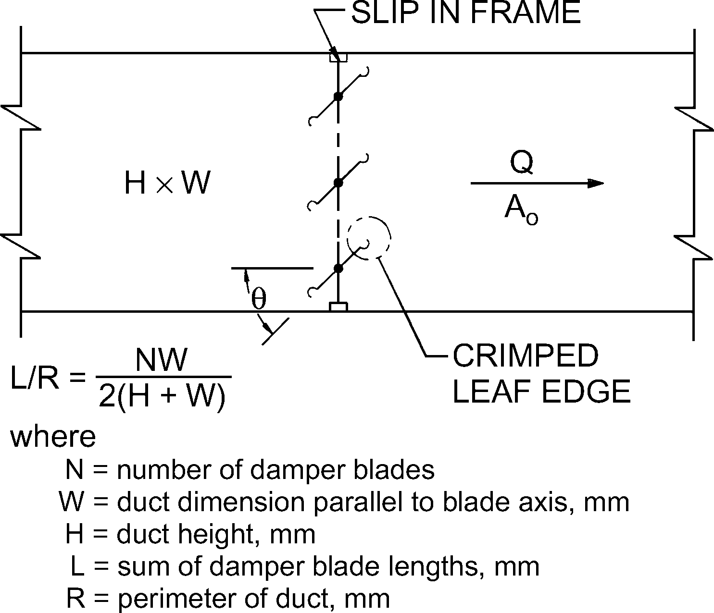
Damper, Parallel Blades
Co Values
L/R | θ
 | 0 | 10 | 20 | 30 | 40 | 50 | 60 | 70 | 80
0.3 | 0.52 | 0.79 | 1.49 | 2.20 | 4.95 | 8.73 | 14.15 | 32.11 | 122.06
0.4 | 0.52 | 0.84 | 1.56 | 2.25 | 5.03 | 9.00 | 16.00 | 37.73 | 156.58
0.5 | 0.52 | 0.88 | 1.62 | 2.35 | 5.11 | 9.52 | 18.88 | 44.79 | 187.85
0.6 | 0.52 | 0.92 | 1.66 | 2.45 | 5.20 | 9.77 | 21.75 | 53.78 | 288.89
0.8 | 0.52 | 0.96 | 1.69 | 2.55 | 5.30 | 10.03 | 22.80 | 65.46 | 295.22
1.0 | 0.52 | 1.00 | 1.76 | 2.66 | 5.40 | 10.53 | 23.84 | 73.23 | 361.00
1.5 | 0.52 | 1.08 | 1.83 | 2.78 | 5.44 | 11.21 | 27.56 | 97.41 | 495.31

CR9-4
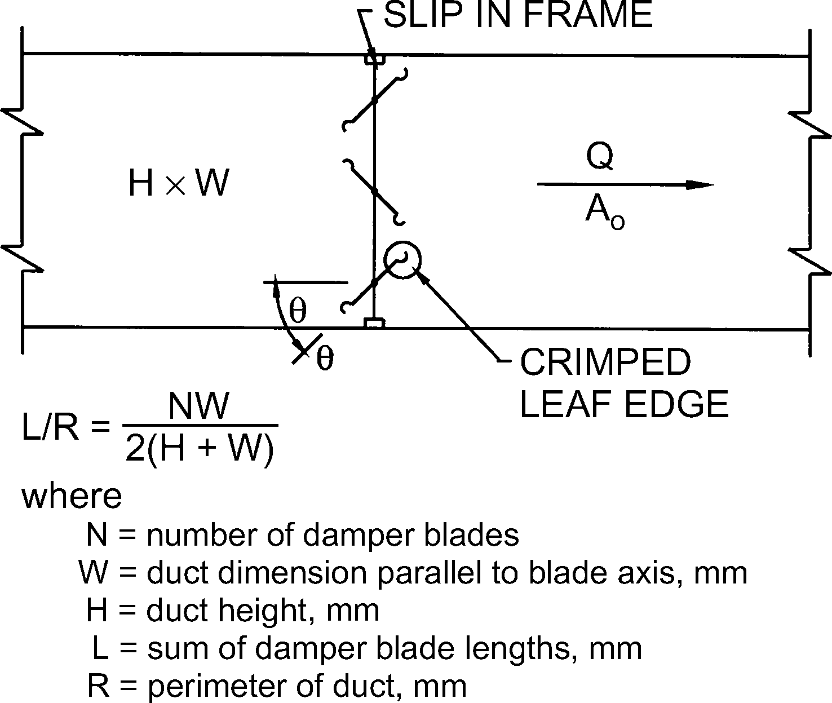
Damper, Opposed Blades
Co Values
L/R | θ
 | 0 | 10 | 20 | 30 | 40 | 50 | 60 | 70 | 80
0.3 | 0.52 | 0.79 | 1.91 | 3.77 | 8.55 | 19.46 | 70.12 | 295.21 | 807.23
0.4 | 0.52 | 0.85 | 2.07 | 4.61 | 10.42 | 26.73 | 92.90 | 346.25 | 926.34
0.5 | 0.52 | 0.93 | 2.25 | 5.44 | 12.29 | 33.99 | 118.91 | 393.36 | 1045.44
0.6 | 0.52 | 1.00 | 2.46 | 5.99 | 14.15 | 41.26 | 143.69 | 440.25 | 1163.09
0.8 | 0.52 | 1.08 | 2.66 | 6.96 | 18.18 | 56.47 | 193.92 | 520.27 | 1324.85
1.0 | 0.52 | 1.17 | 2.91 | 7.31 | 20.25 | 71.68 | 245.45 | 576.00 | 1521.00
1.5 | 0.52 | 1.38 | 3.16 | 9.51 | 27.56 | 107.41 | 361.00 | 717.05 | 1804.40

CR9-6
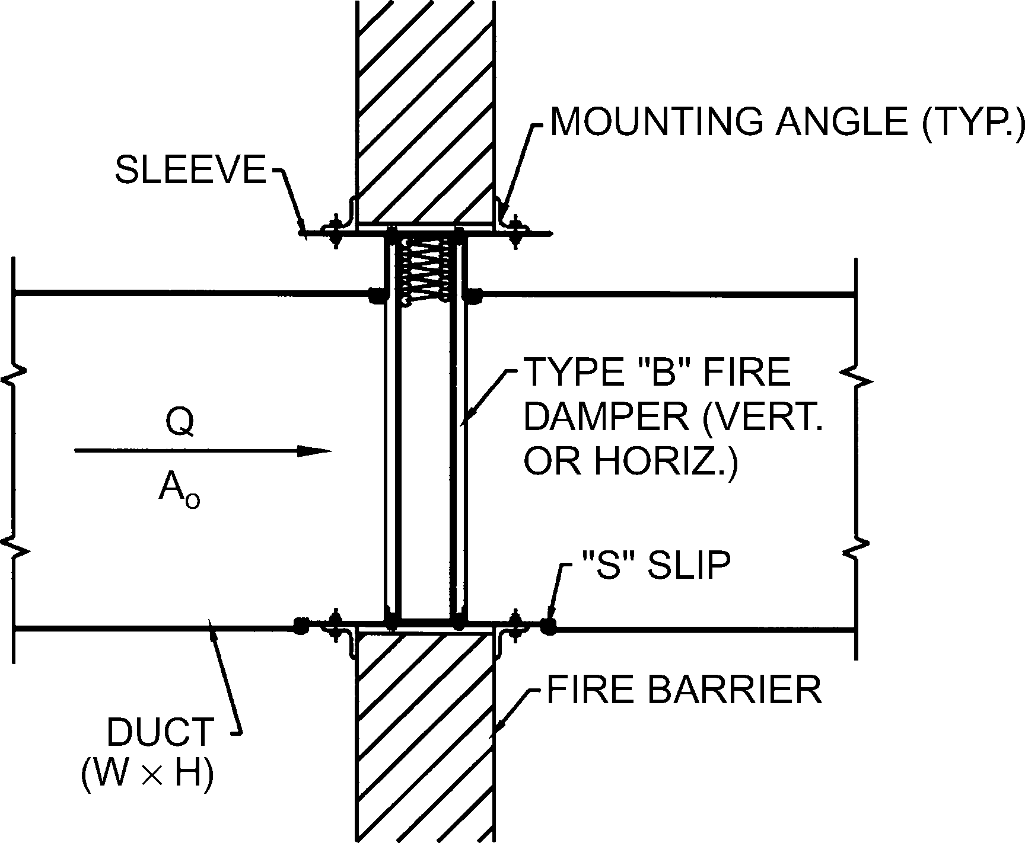
Fire Damper, Curtain Type, Type B
Co
0.19

ER2-1
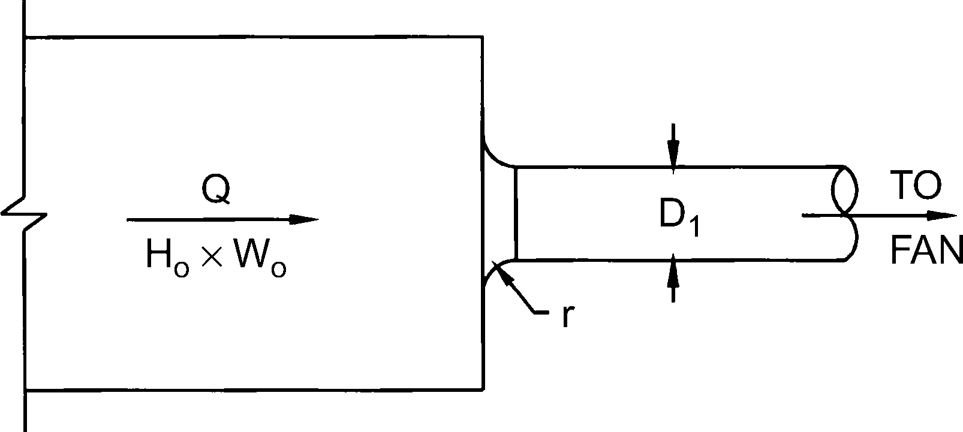
Bellmouth, Plenum to Round, Exhaust/Return Systems
Co Values
Ao/A1 | r/D1
 | 0.00 | 0.01 | 0.02 | 0.03 | 0.04 | 0.05 | 0.06 | 0.08 | 0.10 | 0.12 | 0.16 | 0.20 | 10.00
1.5 | 0.22 | 0.20 | 0.15 | 0.14 | 0.12 | 0.10 | 0.09 | 0.07 | 0.05 | 0.04 | 0.03 | 0.01 | 0.01
2.0 | 0.13 | 0.11 | 0.08 | 0.08 | 0.07 | 0.06 | 0.05 | 0.04 | 0.03 | 0.02 | 0.02 | 0.01 | 0.01
2.5 | 0.08 | 0.07 | 0.05 | 0.05 | 0.04 | 0.04 | 0.03 | 0.02 | 0.02 | 0.01 | 0.01 | 0.00 | 0.00
3.0 | 0.06 | 0.05 | 0.04 | 0.03 | 0.03 | 0.02 | 0.02 | 0.02 | 0.01 | 0.01 | 0.01 | 0.00 | 0.00
4.0 | 0.03 | 0.03 | 0.02 | 0.02 | 0.02 | 0.01 | 0.01 | 0.01 | 0.01 | 0.01 | 0.00 | 0.00 | 0.00
8.0 | 0.01 | 0.01 | 0.01 | 0.00 | 0.00 | 0.00 | 0.00 | 0.00 | 0.00 | 0.00 | 0.00 | 0.00 | 0.00

ER3-1
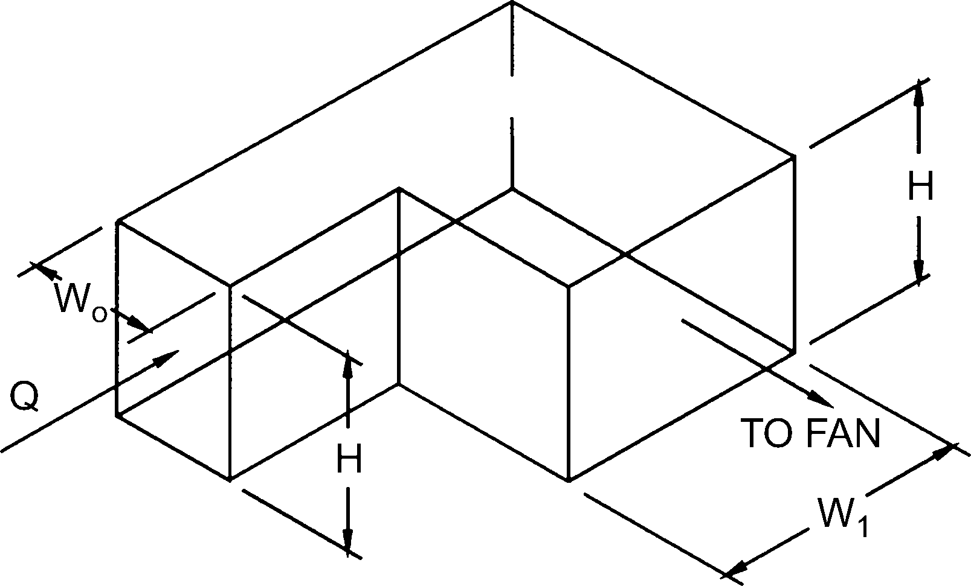
Elbow, 90 Degree, Variable Inlet/Outlet Areas, Exhaust/Return Systems
Co Values
H/Wo | W1/Wo
 | 0.6 | 0.8 | 1.0 | 1.2 | 1.4 | 1.6 | 2.0
0.25 | 1.76 | 1.43 | 1.24 | 1.14 | 1.09 | 1.06 | 1.06
1.00 | 1.7 | 1.36 | 1.15 | 1.02 | 0.95 | 0.9 | 0.84
4.00 | 1.46 | 1.1 | 0.9 | 0.81 | 0.76 | 0.72 | 0.66
100.00 | 1.5 | 1.04 | 0.79 | 0.69 | 0.63 | 0.6 | 0.55

ER4-1
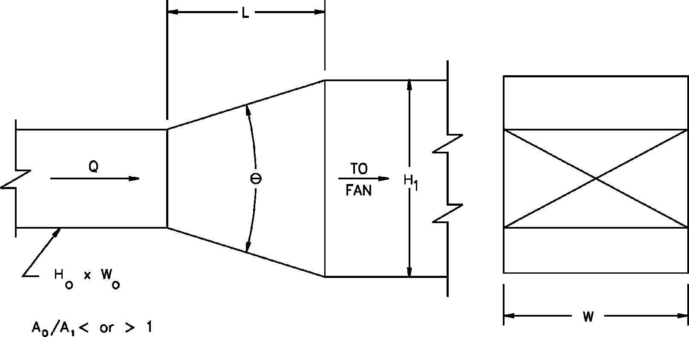
Transition, Rectangular, Two Sides Parallel, Symmetrical, Exhaust/Return Systems
Co Values
Ao/A1 | θ
 | 10 | 15 | 20 | 30 | 45 | 60 | 90 | 120 | 150 | 180
0.06 | 0.26 | 0.27 | 0.40 | 0.56 | 0.71 | 0.86 | 1.00 | 0.99 | 0.98 | 0.98
0.10 | 0.24 | 0.26 | 0.36 | 0.53 | 0.69 | 0.82 | 0.93 | 0.93 | 0.92 | 0.91
0.25 | 0.17 | 0.19 | 0.22 | 0.42 | 0.60 | 0.68 | 0.70 | 0.69 | 0.67 | 0.66
0.50 | 0.14 | 0.13 | 0.15 | 0.24 | 0.35 | 0.37 | 0.38 | 0.37 | 0.36 | 0.35
1.00 | 0.00 | 0.00 | 0.00 | 0.00 | 0.00 | 0.00 | 0.00 | 0.00 | 0.00 | 0.00
2.00 | 0.23 | 0.20 | 0.20 | 0.20 | 0.24 | 0.28 | 0.54 | 0.78 | 1.02 | 1.09
4.00 | 0.81 | 0.64 | 0.64 | 0.64 | 0.88 | 1.12 | 2.78 | 4.38 | 5.65 | 6.60
6.00 | 1.82 | 1.44 | 1.44 | 1.44 | 1.98 | 2.53 | 6.56 | 10.20 | 13.00 | 15.20
10.00 | 5.03 | 5.00 | 5.00 | 5.00 | 6.50 | 8.02 | 19.10 | 29.10 | 37.10 | 43.10

ER4-3
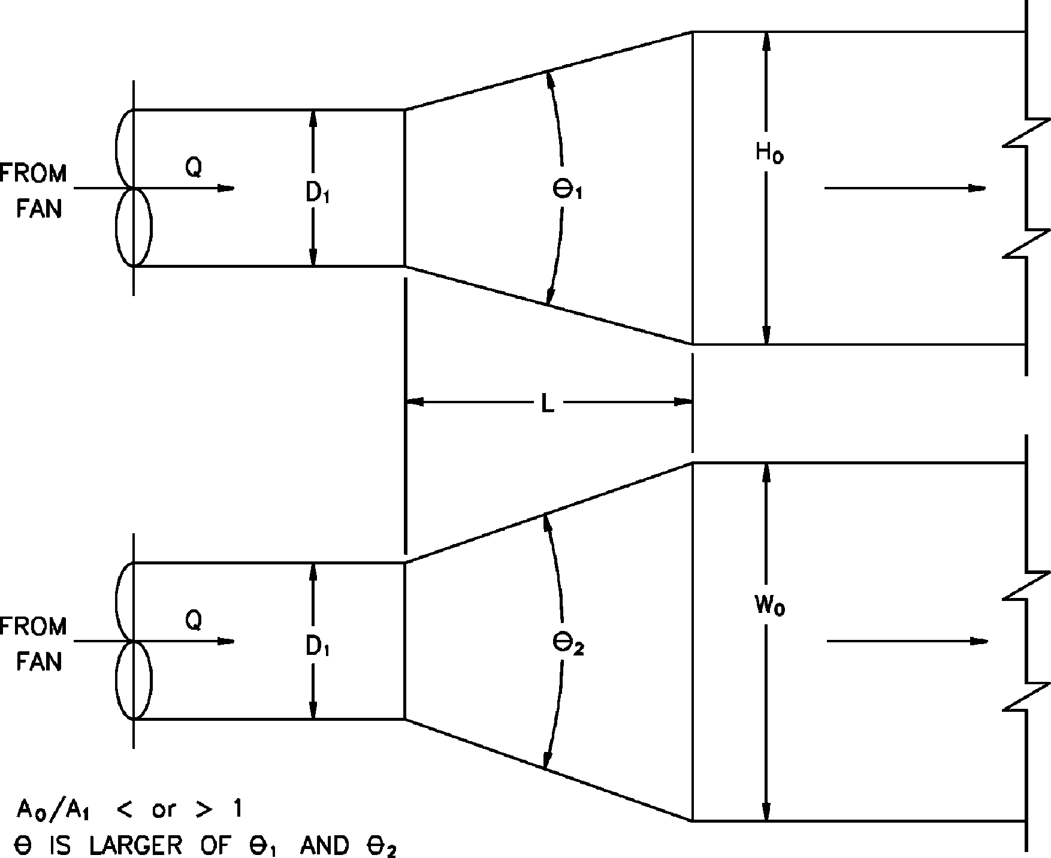
Transition, Round to Rectangular, Supply Air Systems
Co Values
Ao/A1 | θ
 | 10 | 15 | 20 | 30 | 45 | 60 | 90 | 120 | 150 | 180
0.10 | 0.05 | 0.05 | 0.05 | 0.05 | 0.07 | 0.08 | 0.19 | 0.29 | 0.37 | 0.43
0.17 | 0.05 | 0.05 | 0.05 | 0.04 | 0.06 | 0.07 | 0.18 | 0.28 | 0.36 | 0.42
0.25 | 0.06 | 0.05 | 0.05 | 0.04 | 0.06 | 0.07 | 0.17 | 0.27 | 0.35 | 0.41
0.50 | 0.06 | 0.07 | 0.07 | 0.05 | 0.06 | 0.06 | 0.12 | 0.18 | 0.24 | 0.26
1.00 | 0.00 | 0.00 | 0.00 | 0.00 | 0.00 | 0.00 | 0.00 | 0.00 | 0.00 | 0.00
2.00 | 0.60 | 0.84 | 1.00 | 1.20 | 1.32 | 1.32 | 1.32 | 1.28 | 1.24 | 1.20
4.00 | 4.00 | 5.76 | 7.20 | 8.32 | 9.28 | 9.92 | 10.24 | 10.24 | 10.24 | 10.24
10.00 | 30.00 | 50.00 | 53.00 | 64.00 | 75.00 | 84.00 | 89.00 | 91.00 | 91.00 | 88.00
16.00 | 76.80 | 138.24 | 135.68 | 166.40 | 197.12 | 225.28 | 243.20 | 250.88 | 250.88 | 238.08

ER5-2
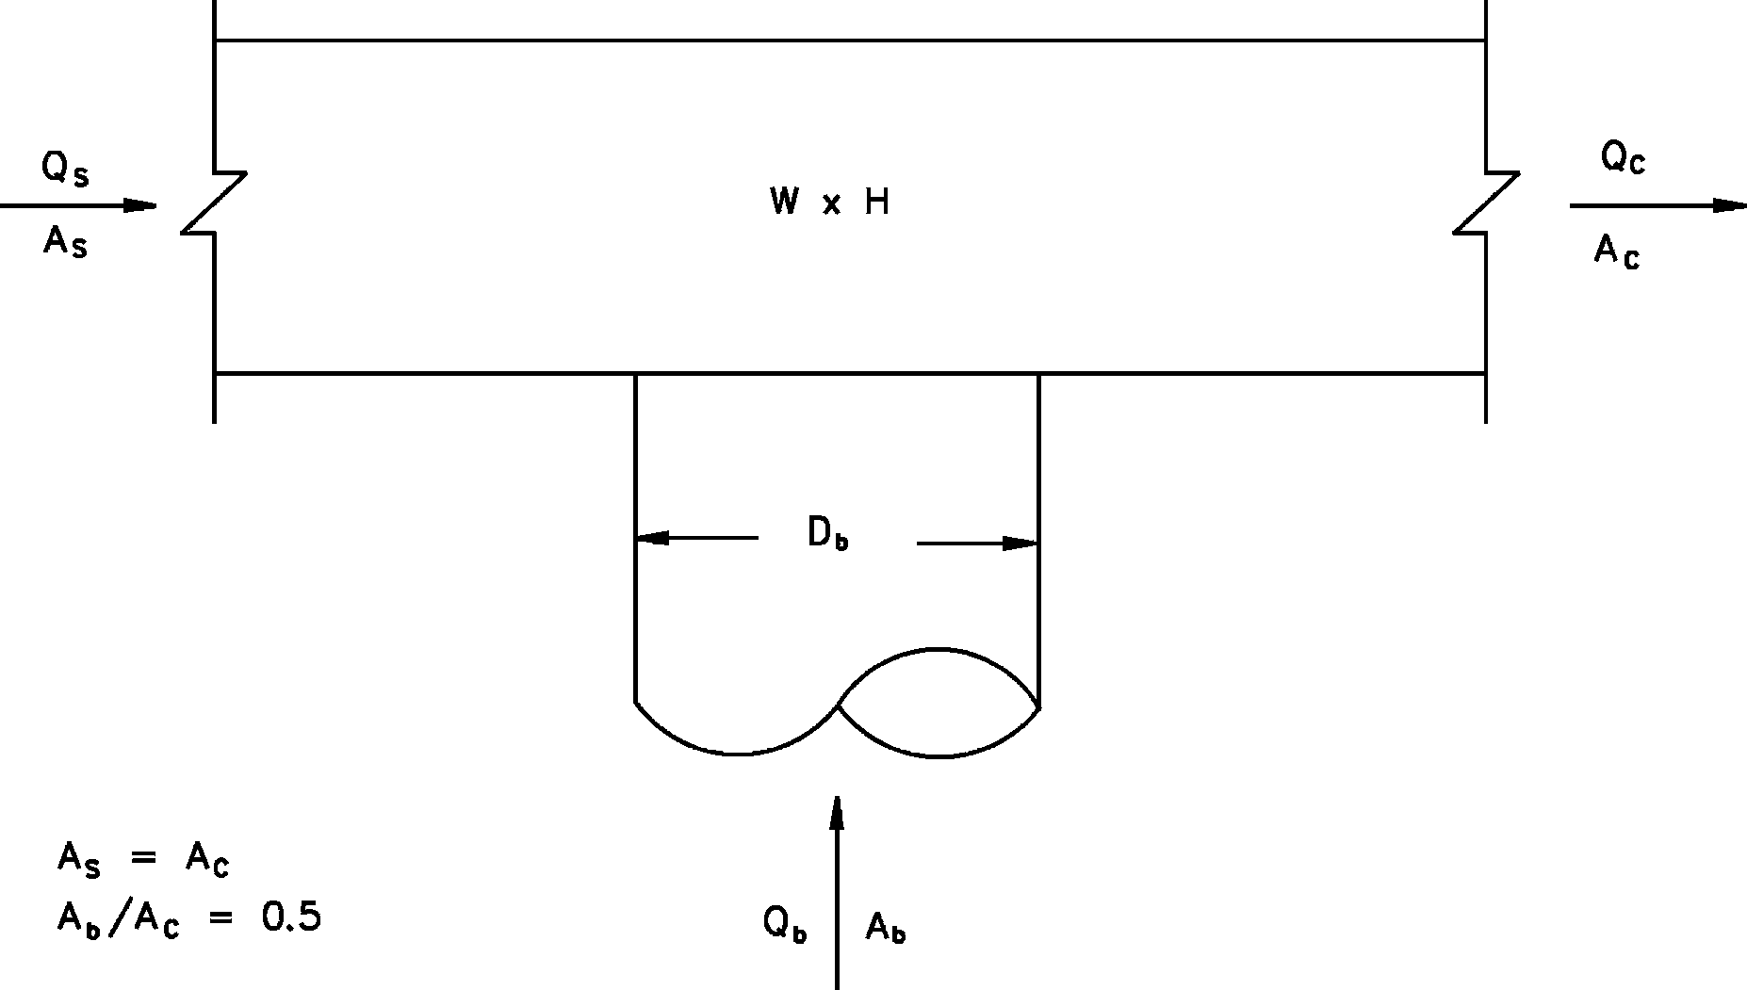
Tee, Round Tap to Rectangular Main, Converging
Qb /Qc | 0.1 | 0.2 | 0.3 | 0.4 | 0.5 | 0.6 | 0.7 | 0.8 | 0.9 | 1.0
Cb | -12.25 | -1.31 | 0.64 | 0.94 | 1.27 | 1.43 | 1.4 | 1.45 | 1.52 | 1.49

Qs/Qc | 0.1 | 0.2 | 0.3 | 0.4 | 0.5 | 0.6 | 0.7 | 0.8 | 0.9
.Cs | 2.15 | 11.91 | 6.54 | 3.74 | 2.23 | 1.33 | 0.76 | 0.38 | 0.10

ER5-3
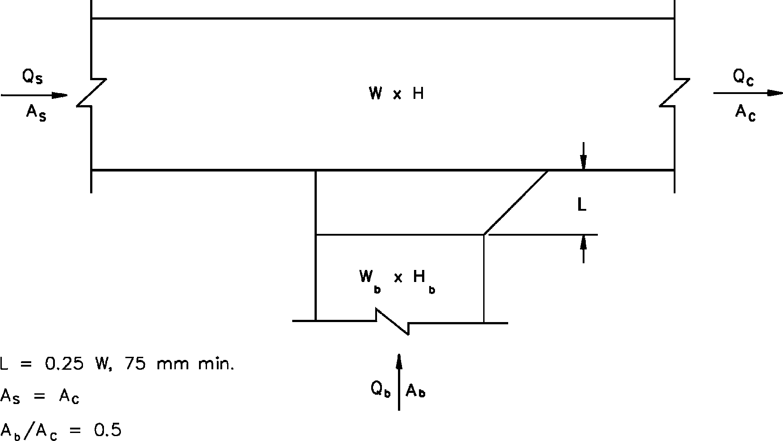
Tee, 45 Degree Entry Branch, Converging
Qb /Qc | 0.1 | 0.2 | 0.3 | 0.4 | 0.5 | 0.6 | 0.7 | 0.8 | 0.9 | 1.0
Cb | –18.00 | –3.25 | –0.64 | 0.53 | 0.76 | 0.79 | 0.93 | 0.79 | 0.9 | 0.91

Qs/Qc | 0.1 | 0.2 | 0.3 | 0.4 | 0.5 | 0.6 | 0.7 | 0.8 | 0.9
Cs | 2.15 | 11.91 | 6.54 | 3.74 | 2.23 | 1.33 | 0.76 | 0.38 | 0.10

ER5-4
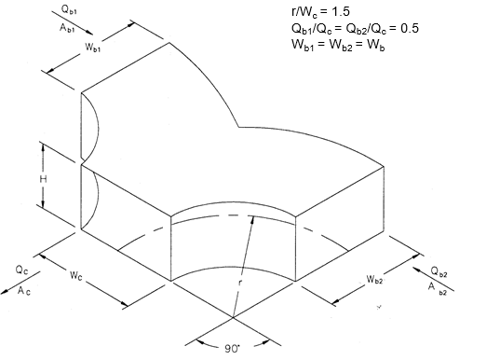
Wye, Symmetrical, Dovetail, Qb /Qc = 0.5, Converging
Ab /Ac | 0.5 | 1.0
Cb | 0.23 | 0.28

ER7-1
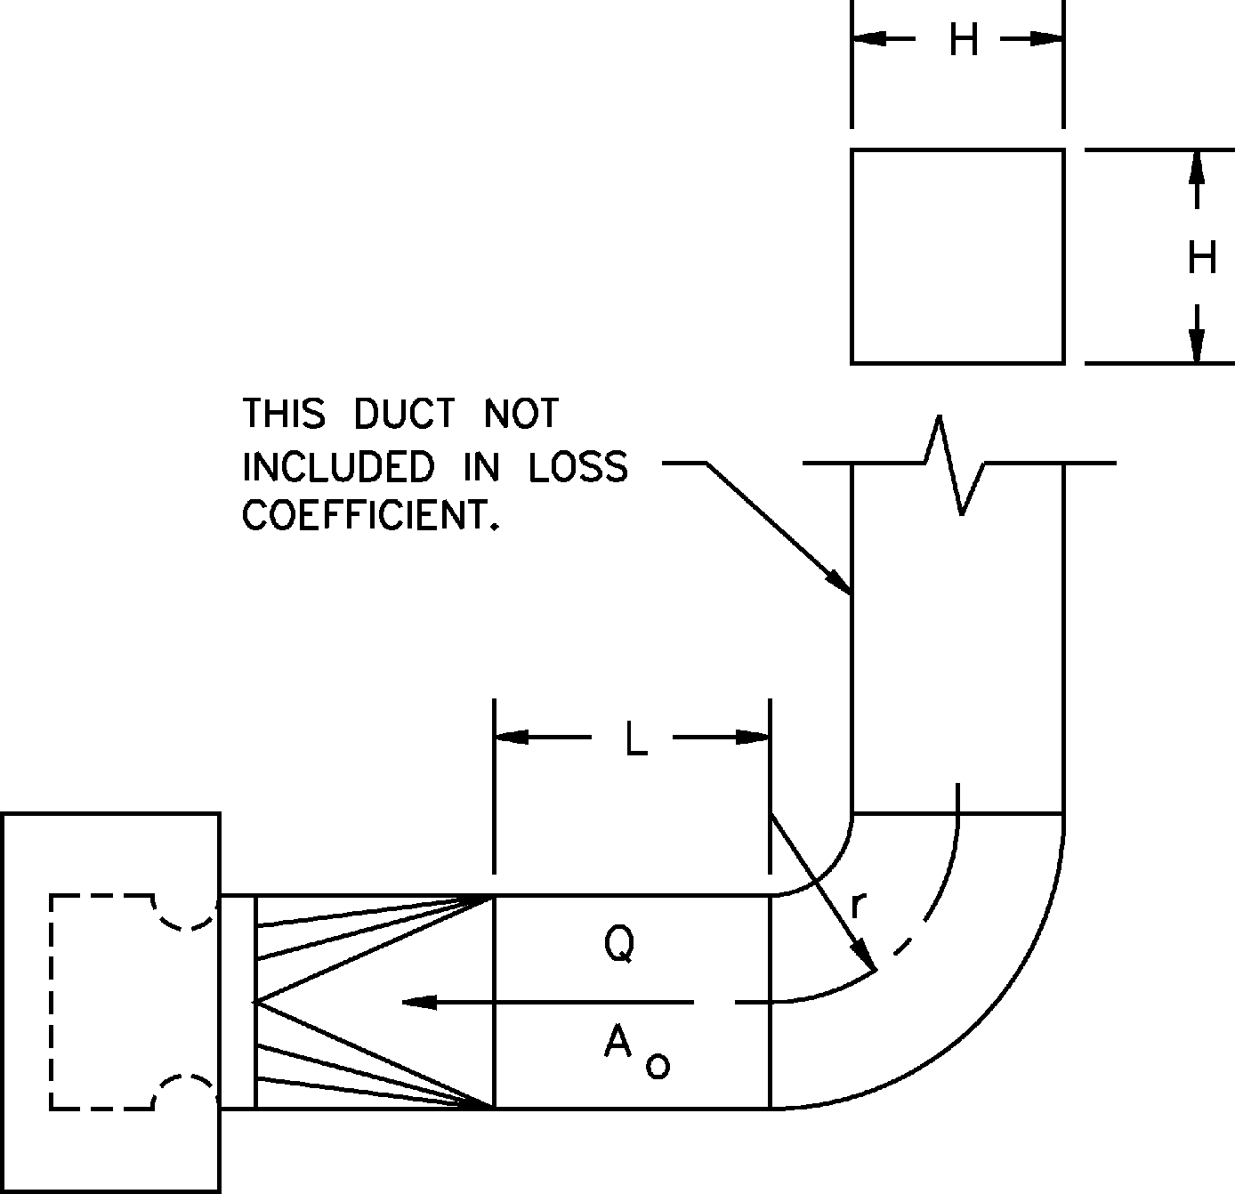
Fan Inlet, Centrifugal, SWSI,90 Degree Smooth Radius Elbow (Square)
Co Values
r/H | L/H
 | 0.0 | 2.0 | 5.0 | 10.0
0.50 | 2.50 | 1.60 | 0.80 | 0.80
0.75 | 2.00 | 1.20 | 0.67 | 0.67
1.00 | 1.20 | 0.67 | 0.33 | 0.33
1.50 | 1.00 | 0.57 | 0.30 | 0.30
2.00 | 0.80 | 0.47 | 0.26 | 0.26

SR1-1
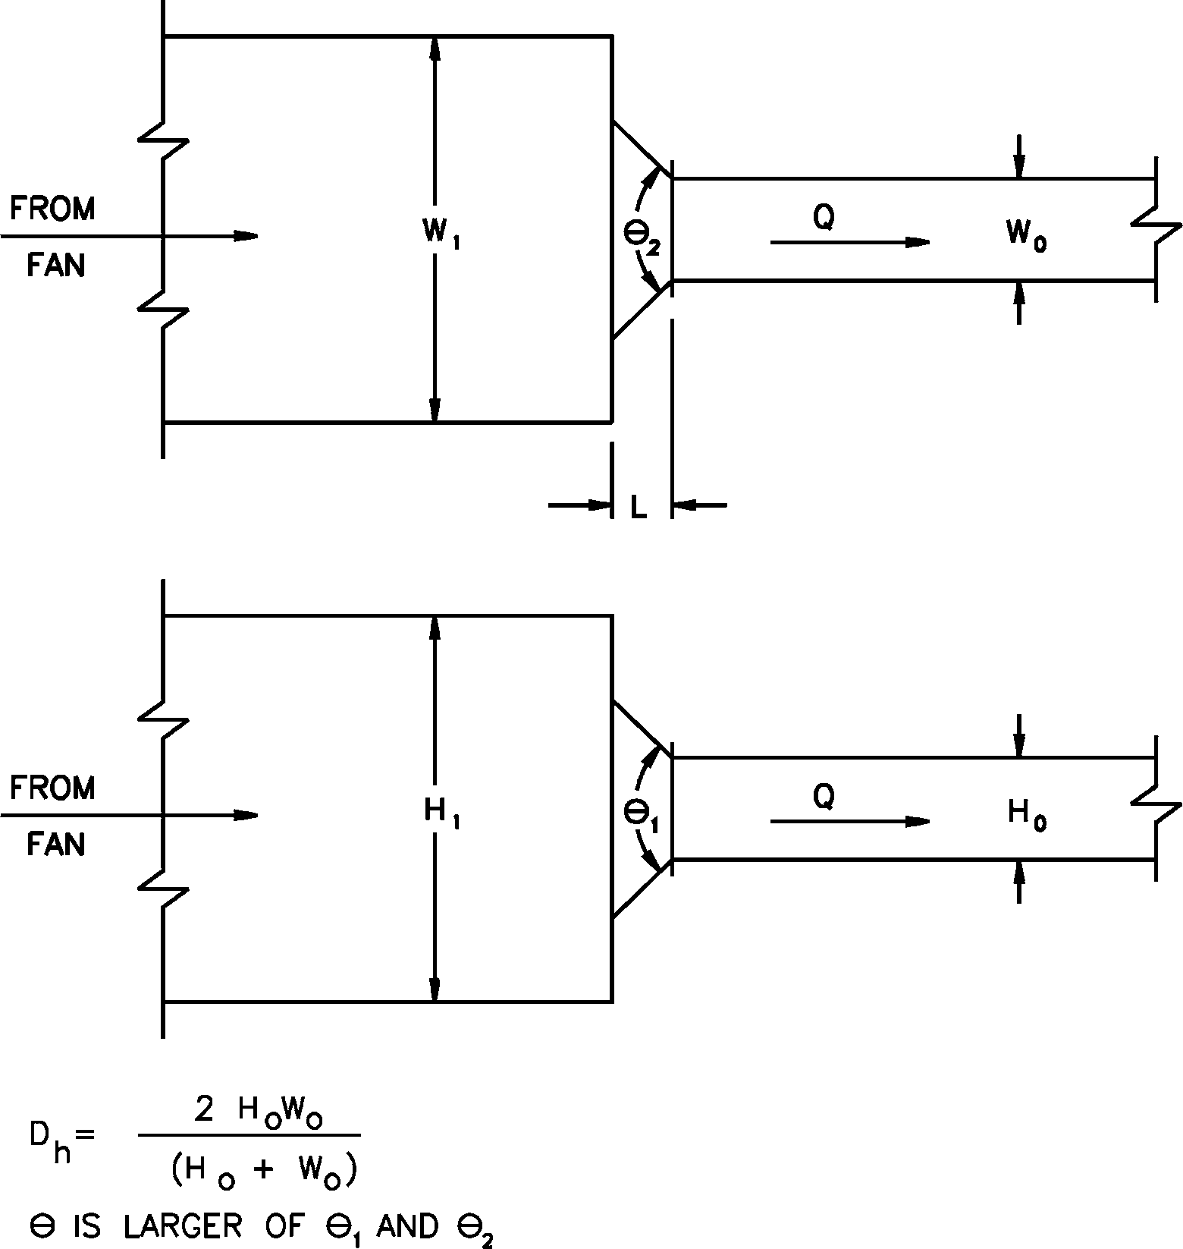
Conical Bellmouth/Sudden Contraction, Plenum to Rectangular, Supply Air Systems
Co Values
Ao/A1 | L/Dh | θ
 |  | 0 | 10 | 20 | 30 | 45 | 60 | 90 | 120 | 150 | 180
0.10 | 0.025 | 0.46 | 0.43 | 0.42 | 0.4 | 0.38 | 0.37 | 0.38 | 0.4 | 0.43 | 0.46
 | 0.050 | 0.46 | 0.42 | 0.38 | 0.33 | 0.3 | 0.28 | 0.31 | 0.36 | 0.41 | 0.46
 | 0.075 | 0.46 | 0.39 | 0.32 | 0.28 | 0.23 | 0.21 | 0.26 | 0.32 | 0.39 | 0.46
 | 0.100 | 0.46 | 0.36 | 0.3 | 0.23 | 0.19 | 0.17 | 0.23 | 0.3 | 0.38 | 0.46
 | 0.150 | 0.46 | 0.34 | 0.25 | 0.18 | 0.15 | 0.14 | 0.21 | 0.29 | 0.37 | 0.46
 | 0.300 | 0.46 | 0.31 | 0.22 | 0.16 | 0.13 | 0.13 | 0.2 | 0.28 | 0.37 | 0.46
 | 0.600 | 0.46 | 0.25 | 0.17 | 0.12 | 0.1 | 0.11 | 0.19 | 0.27 | 0.36 | 0.46
0.20 | 0.025 | 0.42 | 0.4 | 0.38 | 0.36 | 0.34 | 0.34 | 0.35 | 0.37 | 0.39 | 0.42
 | 0.050 | 0.42 | 0.38 | 0.35 | 0.3 | 0.27 | 0.25 | 0.29 | 0.33 | 0.37 | 0.42
 | 0.075 | 0.42 | 0.36 | 0.3 | 0.25 | 0.21 | 0.19 | 0.24 | 0.3 | 0.36 | 0.42
 | 0.100 | 0.42 | 0.33 | 0.27 | 0.21 | 0.18 | 0.15 | 0.21 | 0.27 | 0.35 | 0.42
 | 0.150 | 0.42 | 0.31 | 0.23 | 0.17 | 0.13 | 0.13 | 0.19 | 0.26 | 0.34 | 0.42
 | 0.300 | 0.42 | 0.28 | 0.2 | 0.15 | 0.12 | 0.12 | 0.18 | 0.26 | 0.34 | 0.42
 | 0.600 | 0.42 | 0.23 | 0.15 | 0.11 | 0.1 | 0.1 | 0.17 | 0.25 | 0.33 | 0.42
0.40 | 0.025 | 0.34 | 0.32 | 0.31 | 0.29 | 0.28 | 0.27 | 0.28 | 0.3 | 0.32 | 0.34
 | 0.050 | 0.34 | 0.31 | 0.28 | 0.25 | 0.22 | 0.2 | 0.23 | 0.26 | 0.3 | 0.34
 | 0.075 | 0.34 | 0.29 | 0.24 | 0.2 | 0.17 | 0.16 | 0.19 | 0.24 | 0.29 | 0.34
 | 0.100 | 0.34 | 0.27 | 0.22 | 0.17 | 0.14 | 0.12 | 0.17 | 0.22 | 0.28 | 0.34
 | 0.150 | 0.34 | 0.25 | 0.18 | 0.14 | 0.11 | 0.1 | 0.15 | 0.21 | 0.27 | 0.34
 | 0.300 | 0.34 | 0.23 | 0.16 | 0.12 | 0.1 | 0.1 | 0.15 | 0.21 | 0.27 | 0.34
 | 0.600 | 0.34 | 0.18 | 0.12 | 0.09 | 0.08 | 0.08 | 0.14 | 0.2 | 0.27 | 0.34
0.60 | 0.025 | 0.25 | 0.24 | 0.23 | 0.22 | 0.2 | 0.2 | 0.21 | 0.22 | 0.23 | 0.25
 | 0.050 | 0.25 | 0.23 | 0.21 | 0.18 | 0.16 | 0.15 | 0.17 | 0.19 | 0.22 | 0.25
 | 0.075 | 0.25 | 0.21 | 0.18 | 0.15 | 0.13 | 0.12 | 0.14 | 0.18 | 0.21 | 0.25
 | 0.100 | 0.25 | 0.2 | 0.16 | 0.13 | 0.11 | 0.09 | 0.12 | 0.16 | 0.21 | 0.25
 | 0.150 | 0.25 | 0.19 | 0.14 | 0.1 | 0.08 | 0.08 | 0.11 | 0.16 | 0.2 | 0.25
 | 0.300 | 0.25 | 0.17 | 0.12 | 0.09 | 0.07 | 0.07 | 0.11 | 0.15 | 0.2 | 0.25
 | 0.600 | 0.25 | 0.14 | 0.09 | 0.07 | 0.06 | 0.06 | 0.1 | 0.15 | 0.2 | 0.25
0.80 | 0.025 | 0.15 | 0.14 | 0.13 | 0.13 | 0.12 | 0.12 | 0.12 | 0.13 | 0.14 | 0.15
 | 0.050 | 0.15 | 0.13 | 0.12 | 0.11 | 0.1 | 0.09 | 0.1 | 0.12 | 0.13 | 0.15
 | 0.075 | 0.15 | 0.13 | 0.1 | 0.09 | 0.08 | 0.07 | 0.08 | 0.1 | 0.13 | 0.15
 | 0.100 | 0.15 | 0.12 | 0.1 | 0.07 | 0.06 | 0.05 | 0.07 | 0.1 | 0.12 | 0.15
 | 0.150 | 0.15 | 0.11 | 0.08 | 0.06 | 0.05 | 0.04 | 0.07 | 0.09 | 0.12 | 0.15
 | 0.300 | 0.15 | 0.1 | 0.07 | 0.05 | 0.04 | 0.04 | 0.07 | 0.09 | 0.12 | 0.15
 | 0.600 | 0.15 | 0.08 | 0.05 | 0.04 | 0.03 | 0.04 | 0.06 | 0.09 | 0.12 | 0.15
0.90 | 0.025 | 0.09 | 0.08 | 0.08 | 0.08 | 0.07 | 0.07 | 0.07 | 0.08 | 0.08 | 0.09
 | 0.050 | 0.09 | 0.08 | 0.07 | 0.06 | 0.06 | 0.05 | 0.06 | 0.07 | 0.08 | 0.09
 | 0.075 | 0.09 | 0.07 | 0.06 | 0.05 | 0.04 | 0.04 | 0.05 | 0.06 | 0.08 | 0.09
 | 0.100 | 0.09 | 0.07 | 0.06 | 0.04 | 0.04 | 0.03 | 0.04 | 0.06 | 0.07 | 0.09
 | 0.150 | 0.09 | 0.07 | 0.05 | 0.04 | 0.03 | 0.03 | 0.04 | 0.06 | 0.07 | 0.09
 | 0.300 | 0.09 | 0.06 | 0.04 | 0.03 | 0.03 | 0.02 | 0.04 | 0.05 | 0.07 | 0.09
 | 0.600 | 0.09 | 0.05 | 0.03 | 0.02 | 0.02 | 0.02 | 0.04 | 0.05 | 0.07 | 0.09

SR2-1

Abrupt Exit
H/W | 0.1 | 0.2 | 0.9 | 1.0 | 1.1 | 4.0 | 5.0 | 10.0
Co | 1.55 | 1.55 | 1.55 | 2.00 | 1.55 | 1.55 | 1.55 | 1.55

SR2-5
Pyramidal Diffuser, Free Discharge
Co Values
A1/Ao | Re/1000 | θ
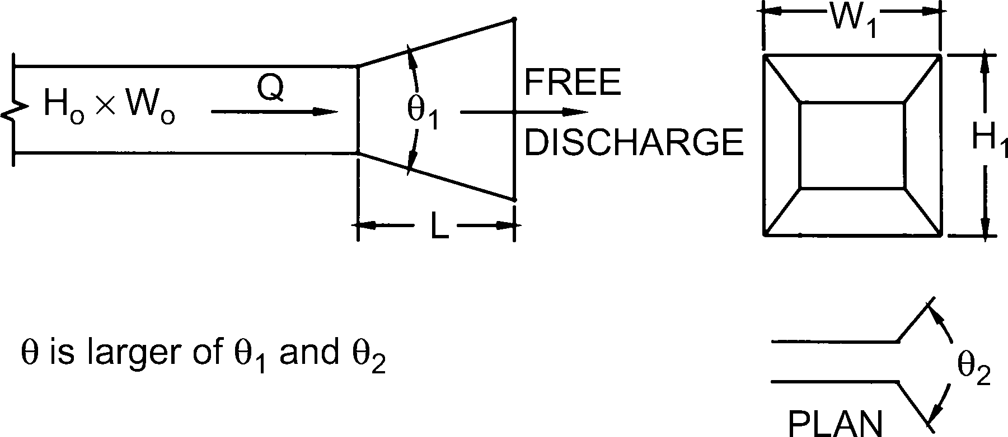
 |  | 8 | 10 | 14 | 20 | 30 | 45 | 60 | 90 | 120
1 | 50 | 0.00 | 0.00 | 0.00 | 0.00 | 0.00 | 0.00 | 0.00 | 0.00 | 0.00
 | 100 | 0.00 | 0.00 | 0.00 | 0.00 | 0.00 | 0.00 | 0.00 | 0.00 | 0.00
 | 200 | 0.00 | 0.00 | 0.00 | 0.00 | 0.00 | 0.00 | 0.00 | 0.00 | 0.00
 | 400 | 0.00 | 0.00 | 0.00 | 0.00 | 0.00 | 0.00 | 0.00 | 0.00 | 0.00
 | 2000 | 0.00 | 0.00 | 0.00 | 0.00 | 0.00 | 0.00 | 0.00 | 0.00 | 0.00
2 | 50 | 0.65 | 0.68 | 0.74 | 0.82 | 0.92 | 1.05 | 1.10 | 1.08 | 1.08
 | 100 | 0.61 | 0.66 | 0.73 | 0.81 | 0.90 | 1.04 | 1.09 | 1.08 | 1.08
 | 200 | 0.57 | 0.61 | 0.70 | 0.79 | 0.89 | 1.04 | 1.09 | 1.08 | 1.08
 | 400 | 0.50 | 0.56 | 0.64 | 0.76 | 0.88 | 1.02 | 1.07 | 1.08 | 1.08
 | 2000 | 0.50 | 0.56 | 0.64 | 0.76 | 0.88 | 1.02 | 1.07 | 1.08 | 1.08
4 | 50 | 0.53 | 0.60 | 0.69 | 0.78 | 0.90 | 1.02 | 1.07 | 1.09 | 1.09
 | 100 | 0.49 | 0.55 | 0.66 | 0.78 | 0.90 | 1.02 | 1.07 | 1.09 | 1.09
 | 200 | 0.42 | 0.50 | 0.62 | 0.74 | 0.87 | 1.00 | 1.06 | 1.08 | 1.08
 | 400 | 0.36 | 0.44 | 0.56 | 0.70 | 0.84 | 0.99 | 1.06 | 1.08 | 1.08
 | 2000 | 0.36 | 0.44 | 0.56 | 0.70 | 0.84 | 0.99 | 1.06 | 1.08 | 1.08
6 | 50 | 0.50 | 0.57 | 0.66 | 0.77 | 0.91 | 1.02 | 1.07 | 1.08 | 1.08
 | 100 | 0.47 | 0.54 | 0.63 | 0.76 | 0.98 | 1.02 | 1.07 | 1.08 | 1.08
 | 200 | 0.42 | 0.48 | 0.60 | 0.73 | 0.88 | 1.00 | 1.06 | 1.08 | 1.08
 | 400 | 0.34 | 0.44 | 0.56 | 0.73 | 0.86 | 0.98 | 1.06 | 1.08 | 1.08
 | 2000 | 0.34 | 0.44 | 0.56 | 0.73 | 0.86 | 0.98 | 1.06 | 1.08 | 1.08
10 | 50 | 0.45 | 0.53 | 0.64 | 0.74 | 0.85 | 0.97 | 1.10 | 1.12 | 1.12
 | 100 | 0.40 | 0.48 | 0.62 | 0.73 | 0.85 | 0.97 | 1.10 | 1.12 | 1.12
 | 200 | 0.34 | 0.44 | 0.56 | 0.69 | 0.82 | 0.95 | 1.10 | 1.11 | 1.11
 | 400 | 0.28 | 0.40 | 0.55 | 0.67 | 0.80 | 0.93 | 1.09 | 1.11 | 1.11
 | 2000 | 0.28 | 0.40 | 0.55 | 0.67 | 0.80 | 0.93 | 1.09 | 1.11 | 1.11

SR2-6
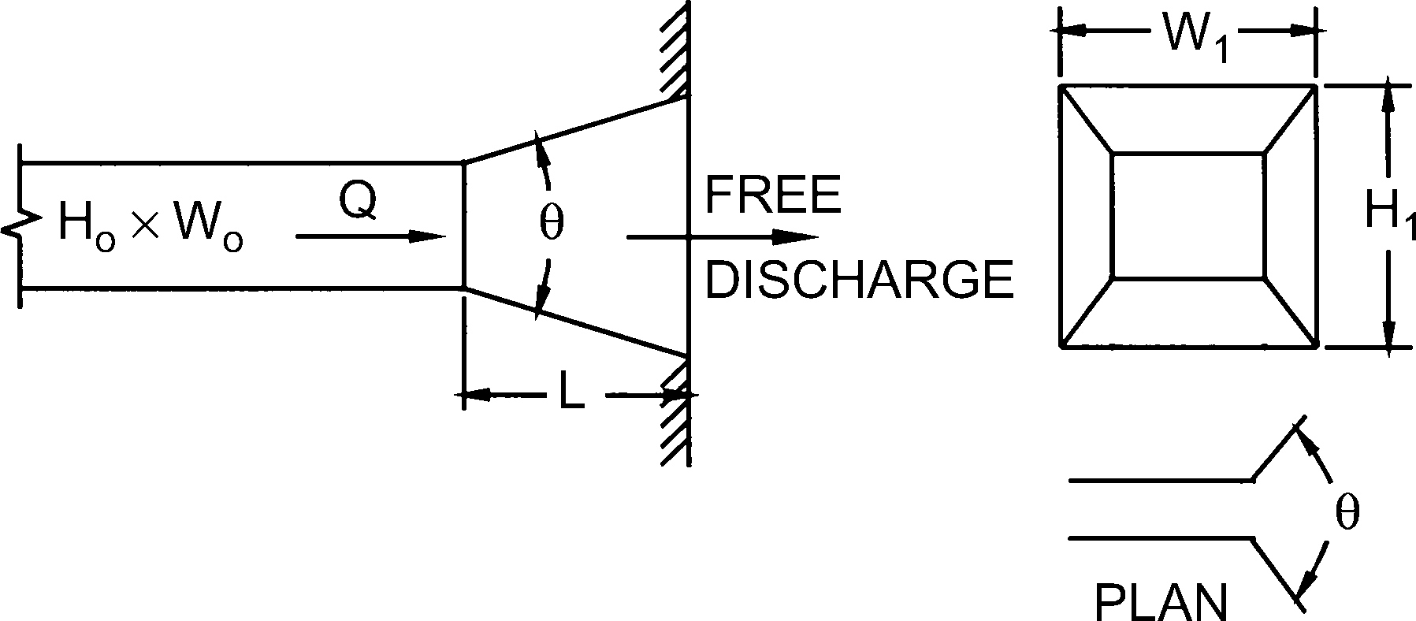
Pyramidal Diffuser, with Wall
L/Dh | 0.5 | 1.0 | 2.0 | 3.0 | 4.0 | 5.0 | 6.0 | 8.0 | 10.0 | 12.0 | 14.0
Co | 0.49 | 0.40 | 0.30 | 0.26 | 0.23 | 0.21 | 0.19 | 0.17 | 0.16 | 0.15 | 0.14
θ | 26 | 19 | 13 | 11 | 9 | 8 | 7 | 6 | 6 | 5 | 5

SR3-1
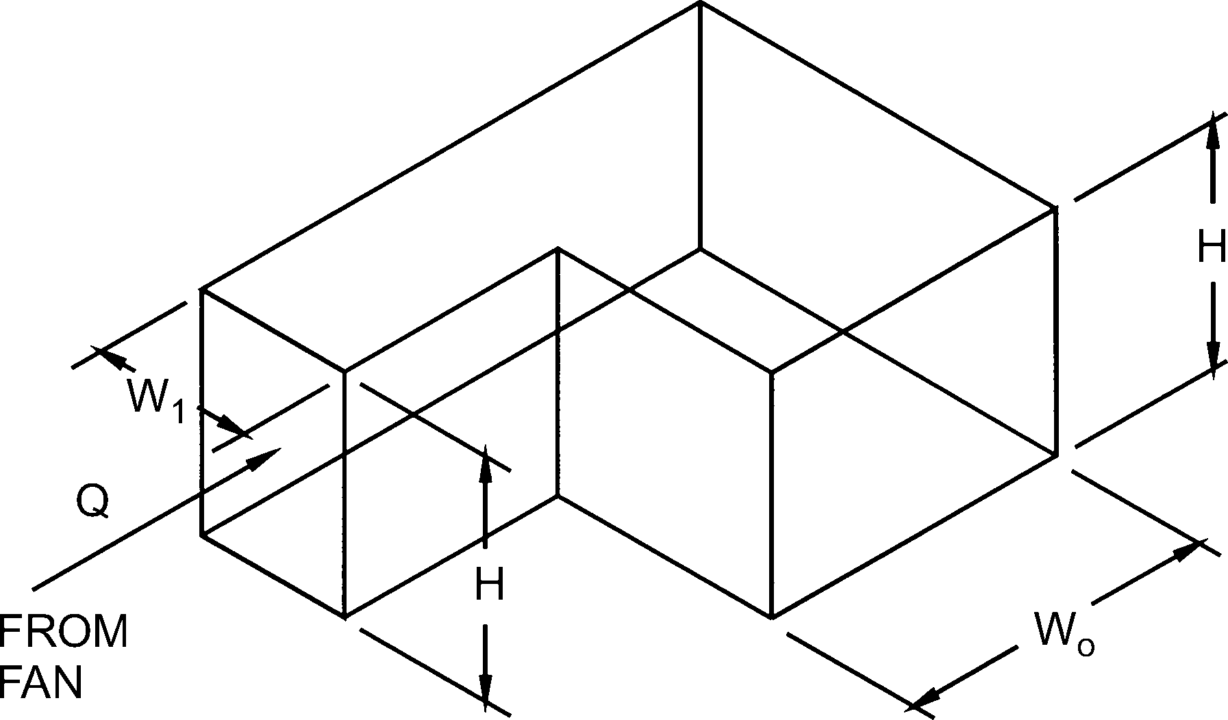
Elbow, 90 Degree, Variable Inlet/Outlet Areas, Supply Air Systems
Co Values
H/W1 | Wo /W1
 | 0.6 | 0.8 | 1.0 | 1.2 | 1.4 | 1.6 | 2.0
0.25 | 0.63 | 0.92 | 1.24 | 1.64 | 2.14 | 2.71 | 4.24
1.00 | 0.61 | 0.87 | 1.15 | 1.47 | 1.86 | 2.30 | 3.36
4.00 | 0.53 | 0.70 | 0.90 | 1.17 | 1.49 | 1.84 | 2.64
100.00 | 0.54 | 0.67 | 0.79 | 0.99 | 1.23 | 1.54 | 2.20

SR4-1
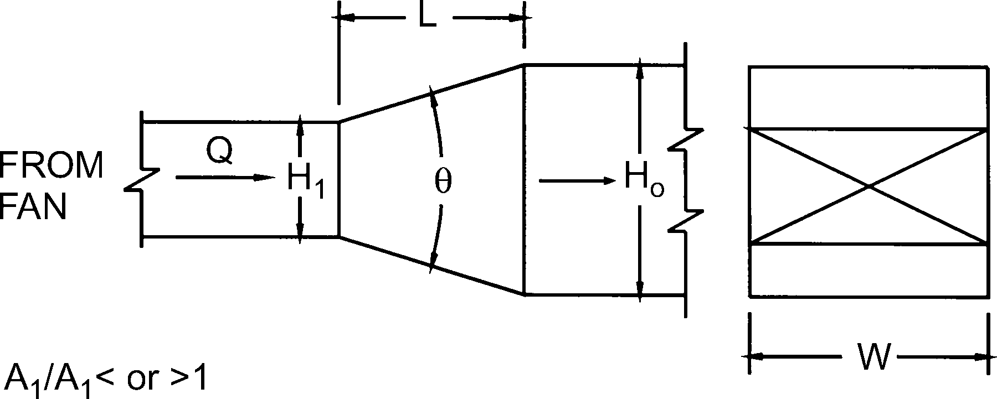
Transition, Rectangular, Two Sides Parallel, Symmetrical, Supply Air Systems
Co Values
Ao/A1 | θ
 | 10 | 15 | 20 | 30 | 45 | 60 | 90 | 120 | 150 | 180
0.10 | 0.05 | 0.05 | 0.05 | 0.05 | 0.07 | 0.08 | 0.19 | 0.29 | 0.37 | 0.43
0.17 | 0.05 | 0.04 | 0.04 | 0.04 | 0.05 | 0.07 | 0.18 | 0.28 | 0.36 | 0.42
0.25 | 0.05 | 0.04 | 0.04 | 0.04 | 0.06 | 0.07 | 0.17 | 0.27 | 0.35 | 0.41
0.50 | 0.06 | 0.05 | 0.05 | 0.05 | 0.06 | 0.07 | 0.14 | 0.20 | 0.26 | 0.27
1.00 | 0.00 | 0.00 | 0.00 | 0.00 | 0.00 | 0.00 | 0.00 | 0.00 | 0.00 | 1.00
2.00 | 0.56 | 0.52 | 0.60 | 0.96 | 1.40 | 1.48 | 1.52 | 1.48 | 1.44 | 1.40
4.00 | 2.72 | 3.04 | 3.52 | 6.72 | 9.60 | 10.88 | 11.20 | 11.04 | 10.72 | 10.56
10.00 | 24.00 | 26.00 | 36.00 | 53.00 | 69.00 | 82.00 | 93.00 | 93.00 | 92.00 | 91.00
16.00 | 66.56 | 69.12 | 102.40 | 143.36 | 181.76 | 220.16 | 256.00 | 253.44 | 250.88 | 250.88

SR5-1
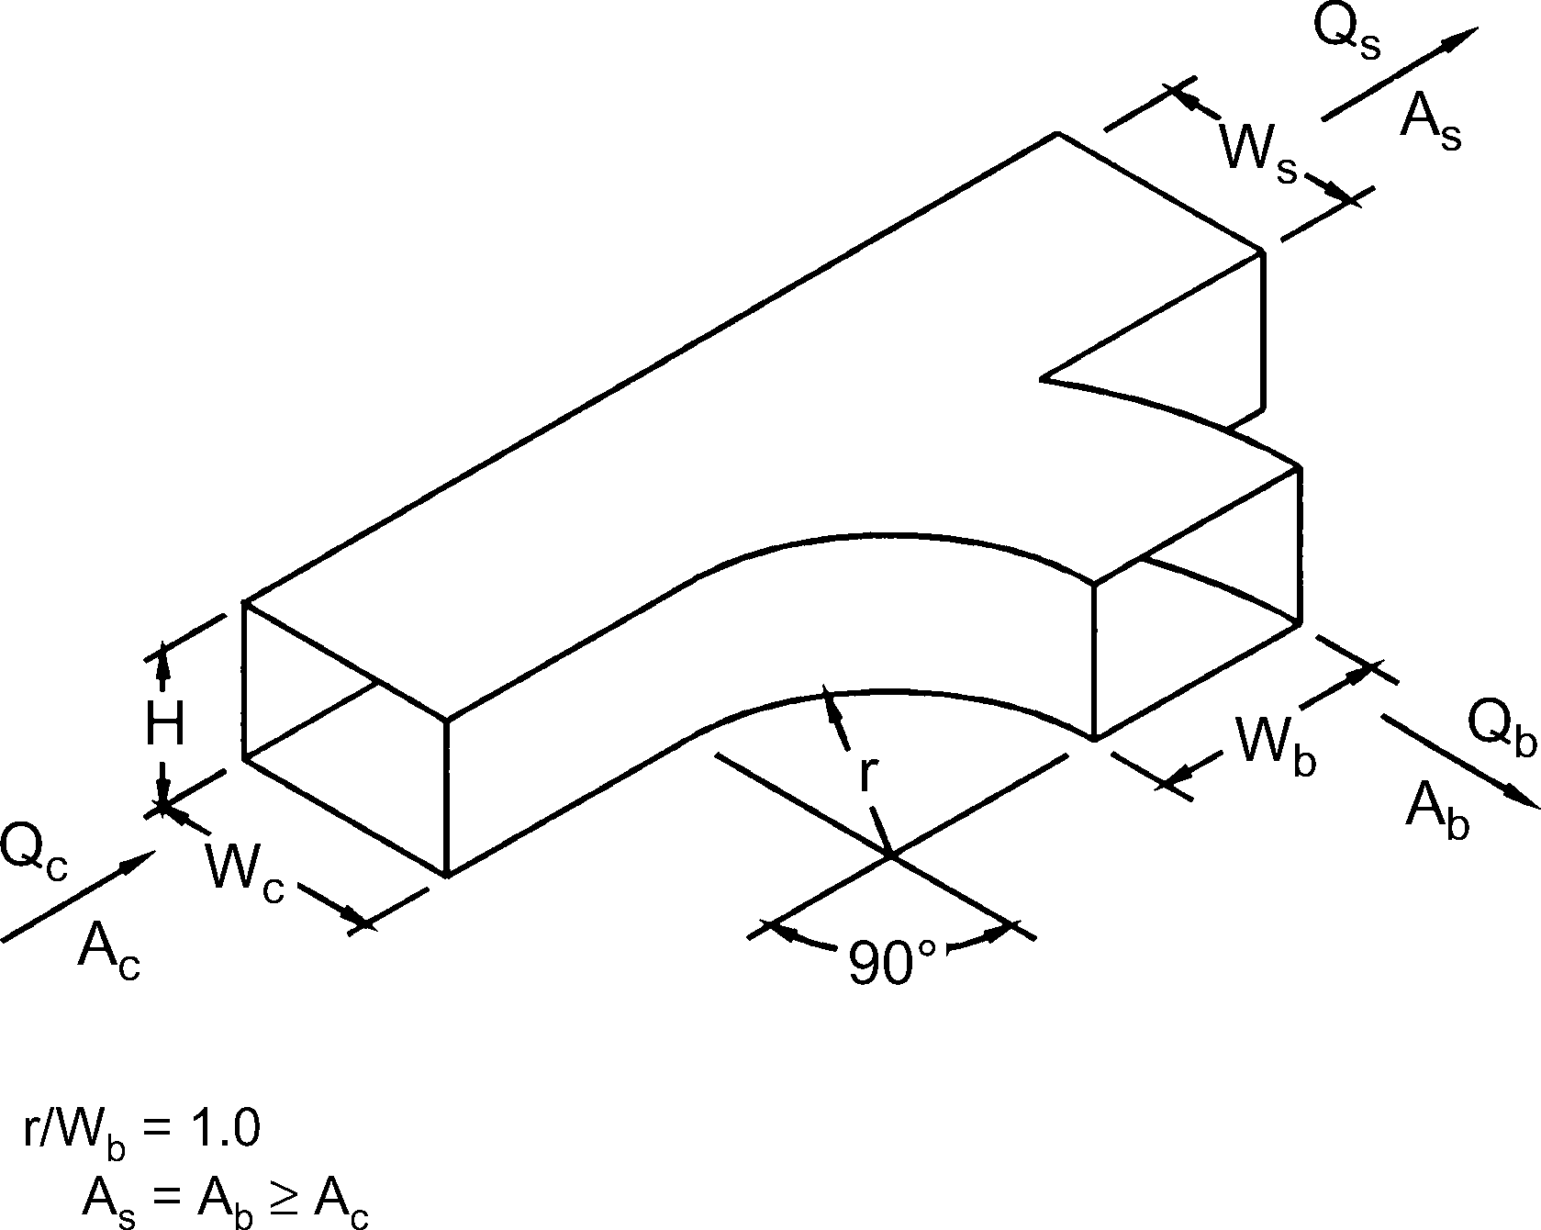
Smooth Wye of Type As + Ab ≥ Ac, Branch 90° to Main, Diverging
Cb Values
As /Ac | Ab /Ac | Qb /Qc
 |  | 0.1 | 0.2 | 0.3 | 0.4 | 0.5 | 0.6 | 0.7 | 0.8 | 0.9
0.50 | 0.25 | 3.44 | 0.70 | 0.30 | 0.20 | 0.17 | 0.16 | 0.16 | 0.17 | 0.18
 | 0.50 | 11.00 | 2.37 | 1.06 | 0.64 | 0.52 | 0.47 | 0.47 | 0.47 | 0.48
 | 1.00 | 60.00 | 13.00 | 4.78 | 2.06 | 0.96 | 0.47 | 0.31 | 0.27 | 0.26
0.75 | 0.25 | 2.19 | 0.55 | 0.35 | 0.31 | 0.33 | 0.35 | 0.36 | 0.37 | 0.39
 | 0.50 | 13.00 | 2.50 | 0.89 | 0.47 | 0.34 | 0.31 | 0.32 | 0.36 | 0.43
 | 1.00 | 70.00 | 15.00 | 5.67 | 2.62 | 1.36 | 0.78 | 0.53 | 0.41 | 0.36
1.00 | 0.25 | 3.44 | 0.78 | 0.42 | 0.33 | 0.30 | 0.31 | 0.40 | 0.42 | 0.46
 | 0.50 | 15.50 | 3.00 | 1.11 | 0.62 | 0.48 | 0.42 | 0.40 | 0.42 | 0.46
 | 1.00 | 67.00 | 13.75 | 5.11 | 2.31 | 1.28 | 0.81 | 0.59 | 0.47 | 0.46
Cs Values
As /Ac | Ab /Ac | Qs /Qc
 |  | 0.1 | 0.2 | 0.3 | 0.4 | 0.5 | 0.6 | 0.7 | 0.8 | 0.9
0.50 | 0.25 | 8.75 | 1.62 | 0.50 | 0.17 | 0.05 | 0.00 | -0.02 | -0.02 | 0.00
 | 0.50 | 7.50 | 1.12 | 0.25 | 0.06 | 0.05 | 0.09 | 0.14 | 0.19 | 0.22
 | 1.00 | 5.00 | 0.62 | 0.17 | 0.08 | 0.08 | 0.09 | 0.12 | 0.15 | 0.19
0.75 | 0.25 | 19.13 | 3.38 | 1.00 | 0.28 | 0.05 | -0.02 | -0.02 | 0.00 | 0.06
 | 0.50 | 20.81 | 3.23 | 0.75 | 0.14 | -0.02 | -0.05 | -0.05 | -0.02 | 0.03
 | 1.00 | 16.88 | 2.81 | 0.63 | 0.11 | -0.02 | -0.05 | 0.01 | 0.00 | 0.07
1.00 | 0.25 | 46.00 | 9.50 | 3.22 | 1.31 | 0.52 | 0.14 | -0.02 | -0.05 | -0.01
 | 0.50 | 35.00 | 6.75 | 2.11 | 0.75 | 0.24 | 0.00 | -0.10 | -0.09 | -0.04
 | 1.00 | 38.00 | 7.50 | 2.44 | 0.81 | 0.24 | -0.03 | -0.08 | -0.06 | -0.02

SR5-3
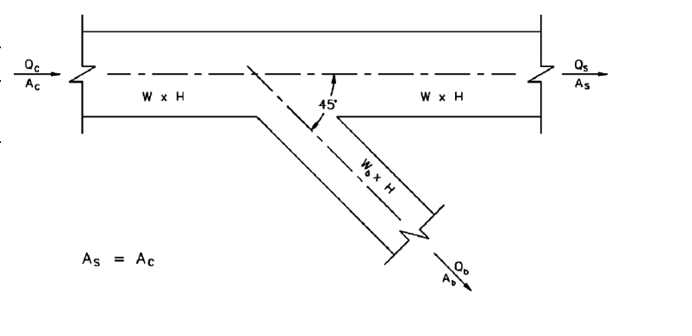
Wye of the Type As + Ab > Ac, As = Ac, 45 Degree, Diverging
Cb Values
Ab /Ac | Qb /Qc
 | 0.1 | 0.2 | 0.3 | 0.4 | 0.5 | 0.6 | 0.7 | 0.8 | 0.9
0.1 | 0.60 | 0.52 | 0.57 | 0.58 | 0.64 | 0.67 | 0.70 | 0.71 | 0.73
0.2 | 2.24 | 0.56 | 0.44 | 0.45 | 0.51 | 0.54 | 0.58 | 0.60 | 0.62
0.3 | 5.94 | 1.08 | 0.52 | 0.41 | 0.44 | 0.46 | 0.49 | 0.52 | 0.54
0.4 | 10.56 | 1.88 | 0.71 | 0.43 | 0.35 | 0.31 | 0.31 | 0.32 | 0.34
0.5 | 17.75 | 3.25 | 1.14 | 0.59 | 0.40 | 0.31 | 0.30 | 0.30 | 0.31
0.6 | 26.64 | 5.04 | 1.76 | 0.83 | 0.50 | 0.36 | 0.32 | 0.30 | 0.30
0.7 | 37.73 | 7.23 | 2.56 | 1.16 | 0.67 | 0.44 | 0.35 | 0.31 | 0.30
0.8 | 49.92 | 9.92 | 3.48 | 1.60 | 0.87 | 0.55 | 0.42 | 0.35 | 0.32

Qs/Qc | 0.1 | 0.2 | 0.3 | 0.4 | 0.5 | 0.6 | 0.8 | 1.0
Cs | 32.00 | 6.50 | 2.22 | 0.87 | 0.40 | 0.17 | 0.03 | 0.00

SR5-5
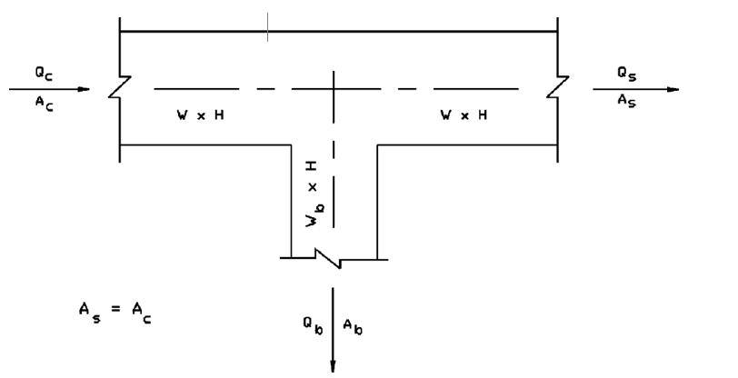
Tee of the Type As + Ab > Ac, As = Ac Diverging
Cb Values
Ab /Ac | Qb/Qc
 | 0.1 | 0.2 | 0.3 | 0.4 | 0.5 | 0.6 | 0.7 | 0.8 | 0.9
0.1 | 2.06 | 1.20 | 0.99 | 0.87 | 0.88 | 0.87 | 0.87 | 0.86 | 0.86
0.2 | 5.16 | 1.92 | 1.28 | 1.03 | 0.99 | 0.94 | 0.92 | 0.90 | 0.89
0.3 | 10.26 | 3.13 | 1.78 | 1.28 | 1.16 | 1.06 | 1.01 | 0.97 | 0.94
0.4 | 15.84 | 4.36 | 2.24 | 1.48 | 1.11 | 0.88 | 0.80 | 0.75 | 0.72
0.5 | 24.25 | 6.31 | 3.03 | 1.89 | 1.35 | 1.03 | 0.91 | 0.84 | 0.78
0.6 | 34.56 | 8.73 | 4.04 | 2.41 | 1.64 | 1.22 | 1.04 | 0.94 | 0.87
0.7 | 46.55 | 11.51 | 5.17 | 3.00 | 2.00 | 1.44 | 1.20 | 1.06 | 0.96
0.8 | 60.80 | 14.72 | 6.54 | 3.72 | 2.41 | 1.69 | 1.38 | 1.20 | 1.07

Qs/Qc | 0.1 | 0.2 | 0.3 | 0.4 | 0.5 | 0.6 | 0.8 | 1.0
Cs | 32.00 | 6.50 | 2.22 | 0.87 | 0.40 | 0.17 | 0.03 | 0.00

SR5-11
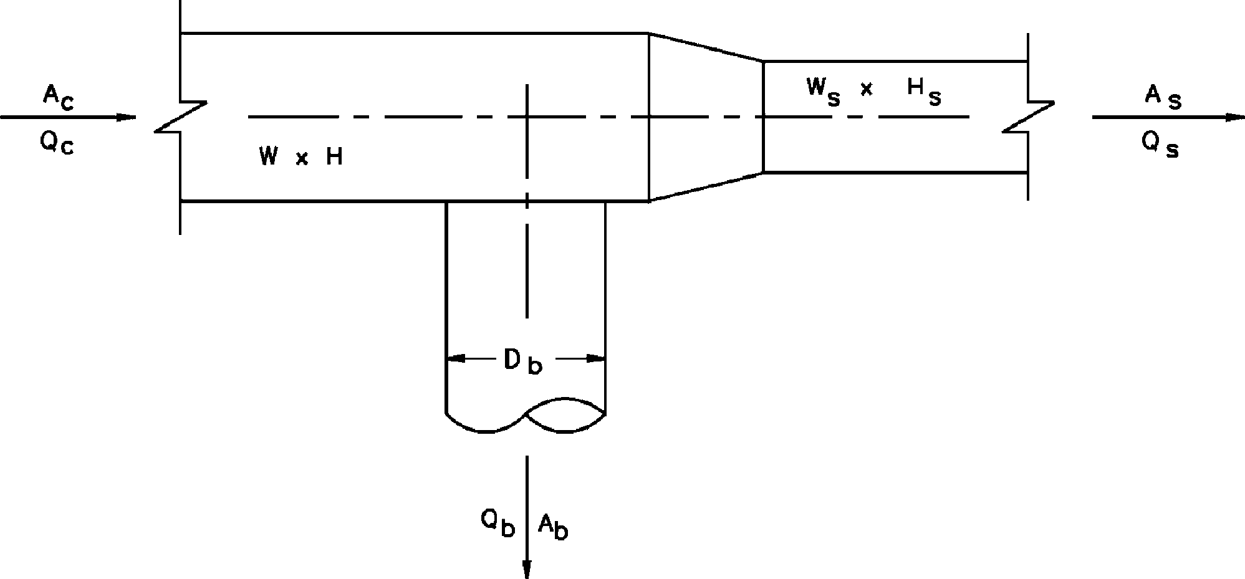
Tee, Rectangular Main to Round Tap, Diverging
Cb Values
Ab/Ac | Qb/Qc
 | 0.1 | 0.2 | 0.3 | 0.4 | 0.5 | 0.6 | 0.7 | 0.8 | 0.9
0.1 | 1.58 | 0.94 | 0.83 | 0.79 | 0.77 | 0.76 | 0.76 | 0.76 | 0.75
0.2 | 4.20 | 1.58 | 1.10 | 0.94 | 0.87 | 0.83 | 0.80 | 0.79 | 0.78
0.3 | 8.63 | 2.67 | 1.58 | 1.20 | 1.03 | 0.94 | 0.88 | 0.85 | 0.83
0.4 | 14.85 | 4.20 | 2.25 | 1.58 | 1.27 | 1.10 | 1.00 | 0.94 | 0.90
0.5 | 22.87 | 6.19 | 3.13 | 2.07 | 1.58 | 1.32 | 1.16 | 1.06 | 0.99
0.6 | 32.68 | 8.63 | 4.20 | 2.67 | 1.96 | 1.58 | 1.35 | 1.20 | 1.10
0.7 | 44.30 | 11.51 | 5.48 | 3.38 | 2.41 | 1.89 | 1.58 | 1.38 | 1.24
0.8 | 57.71 | 14.85 | 6.95 | 4.20 | 2.94 | 2.25 | 1.84 | 1.58 | 1.40
0.9 | 72.92 | 18.63 | 8.63 | 5.14 | 3.53 | 2.67 | 2.14 | 1.81 | 1.58
Cs Values
As/Ac | Qs/Qc
 | 0.1 | 0.2 | 0.3 | 0.4 | 0.5 | 0.6 | 0.7 | 0.8 | 0.9
0.1 | 0.04
0.2 | 0.98 | 0.04
0.3 | 3.48 | 0.31 | 0.04
0.4 | 7.55 | 0.98 | 0.18 | 0.04
0.5 | 13.18 | 2.03 | 0.49 | 0.13 | 0.04
0.6 | 20.38 | 3.48 | 0.98 | 0.31 | 0.10 | 0.04
0.7 | 29.15 | 5.32 | 1.64 | 0.60 | 0.23 | 0.09 | 0.04
0.8 | 39.48 | 7.55 | 2.47 | 0.98 | 0.42 | 0.18 | 0.08 | 0.04
0.9 | 51.37 | 10.17 | 3.48 | 1.46 | 0.67 | 0.31 | 0.15 | 0.07 | 0.04

SR5-13
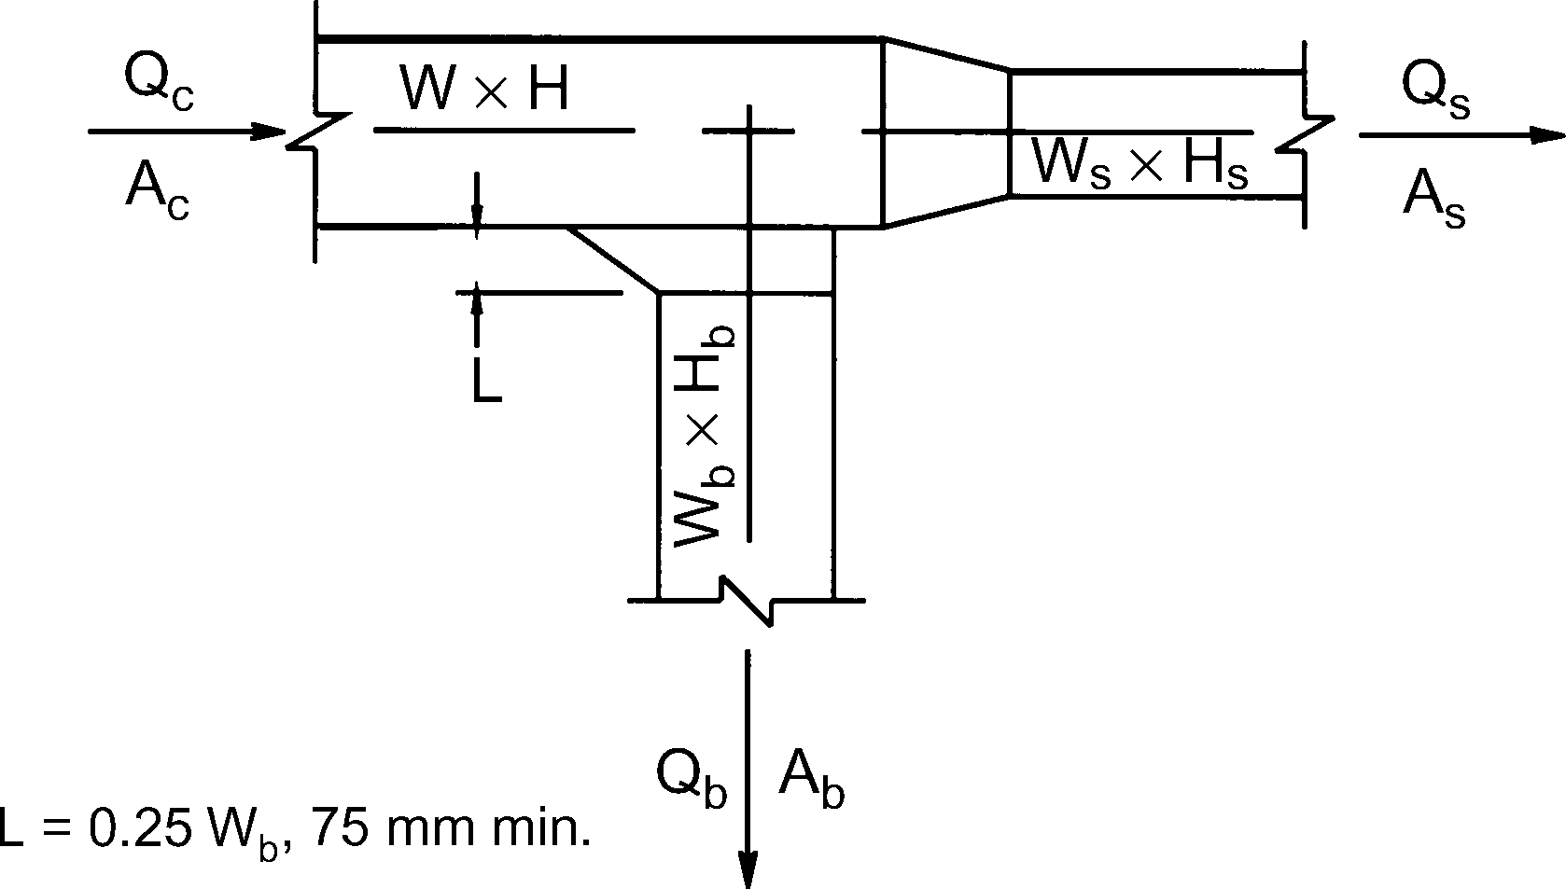
Tee, 45 Degree Entry Branch, Diverging
Cb Values
Ab /Ac | Qb /Qc
 | 0.1 | 0.2 | 0.3 | 0.4 | 0.5 | 0.6 | 0.7 | 0.8 | 0.9
0.1 | 0.73 | 0.34 | 0.32 | 0.34 | 0.35 | 0.37 | 0.38 | 0.39 | 0.40
0.2 | 3.10 | 0.73 | 0.41 | 0.34 | 0.32 | 0.32 | 0.33 | 0.34 | 0.35
0.3 | 7.59 | 1.65 | 0.73 | 0.47 | 0.37 | 0.34 | 0.32 | 0.32 | 0.32
0.4 | 14.20 | 3.10 | 1.28 | 0.73 | 0.51 | 0.41 | 0.36 | 0.34 | 0.32
0.5 | 22.92 | 5.08 | 2.07 | 1.12 | 0.73 | 0.54 | 0.44 | 0.38 | 0.35
0.6 | 33.76 | 7.59 | 3.10 | 1.65 | 1.03 | 0.73 | 0.56 | 0.47 | 0.41
0.7 | 46.71 | 10.63 | 4.36 | 2.31 | 1.42 | 0.98 | 0.73 | 0.58 | 0.49
0.8 | 61.79 | 14.20 | 5.86 | 3.10 | 1.90 | 1.28 | 0.94 | 0.73 | 0.60
0.9 | 78.98 | 18.29 | 7.59 | 4.02 | 2.46 | 1.65 | 1.19 | 0.91 | 0.73
Cs Values
As /Ac | Qs /Qc
 | 0.1 | 0.2 | 0.3 | 0.4 | 0.5 | 0.6 | 0.7 | 0.8 | 0.9
0.1 | 0.04
0.2 | 0.98 | 0.04
0.3 | 3.48 | 0.31 | 0.04
0.4 | 7.55 | 0.98 | 0.18 | 0.04
0.5 | 13.18 | 2.03 | 0.49 | 0.13 | 0.04
0.6 | 20.38 | 3.48 | 0.98 | 0.31 | 0.10 | 0.04
0.7 | 29.15 | 5.32 | 1.64 | 0.60 | 0.23 | 0.09 | 0.04
0.8 | 39.48 | 7.55 | 2.47 | 0.98 | 0.42 | 0.18 | 0.08 | 0.04
0.9 | 51.37 | 10.17 | 3.48 | 1.46 | 0.67 | 0.31 | 0.15 | 0.07 | 0.04

SR5-14
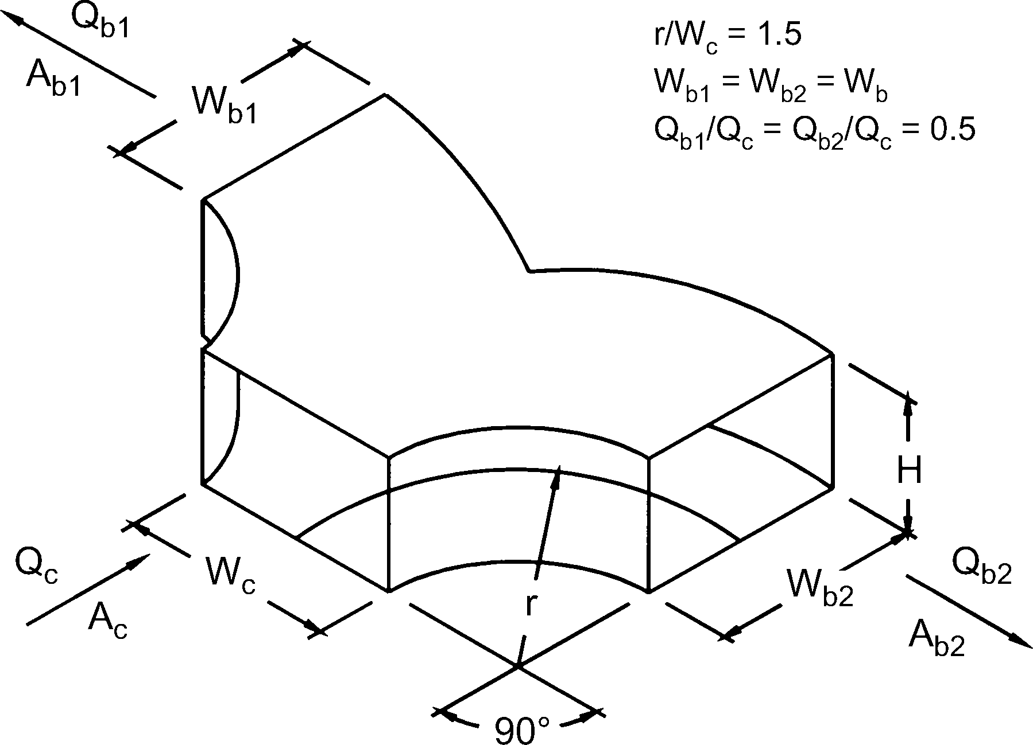
Wye, Symmetrical, Dovetail, Qb /Qc = 0.5, Diverging
Ab /Ac | 0.5 | 1
Cb | 0.3 | 1

SR7-1
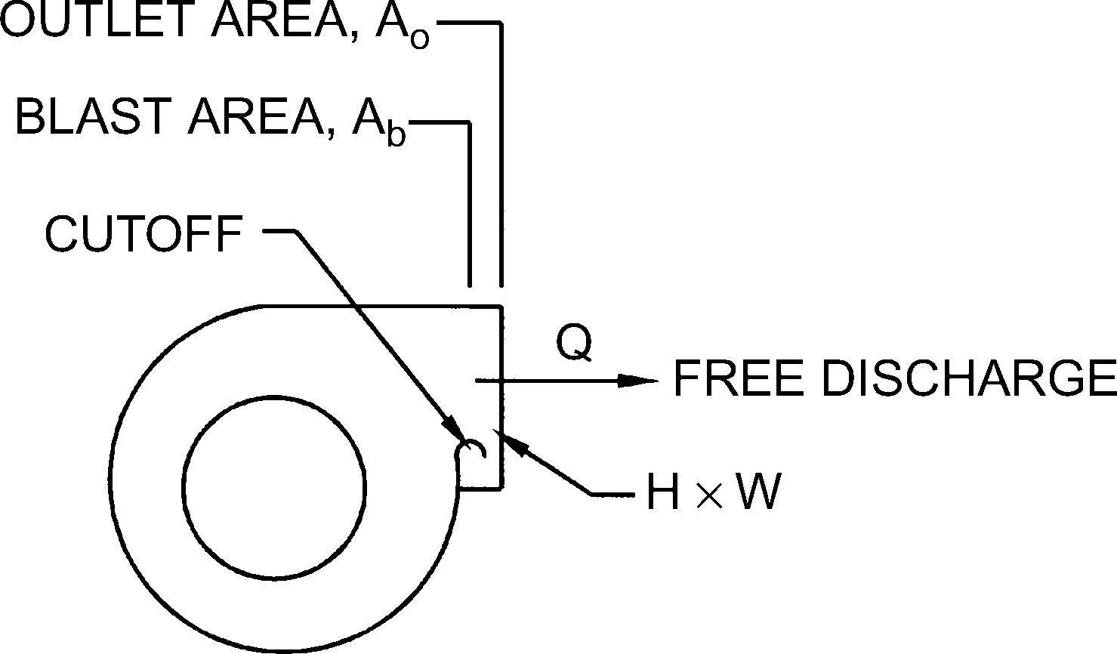
Fan, Centrifugal, Without Outlet Diffuser, Free Discharge
Ab /Ao | 0.4 | 0.5 | 0.6 | 0.7 | 0.8 | 0.9 | 1.0
Co | 2.00 | 2.00 | 1.00 | 0.80 | 0.47 | 0.22 | 0.00

SR7-2
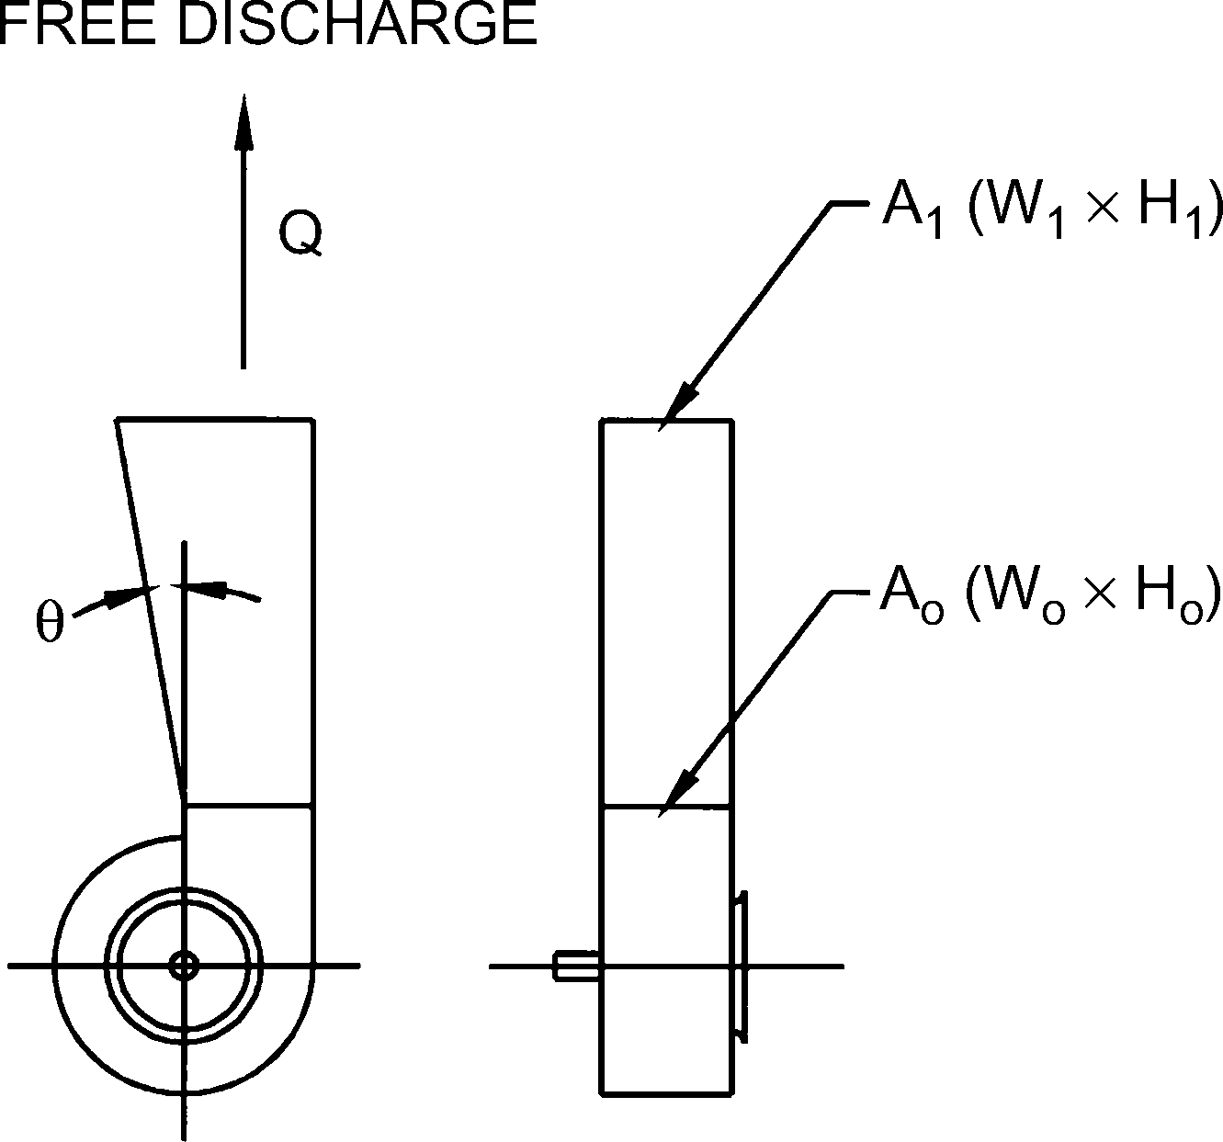
Plane Asymmetric Diffuser at Centrifugal Fan Outlet, Free Discharge
Co Values
θ | A1/Ao
 | 1.5 | 2.0 | 2.5 | 3.0 | 3.5 | 4.0
10 | 0.51 | 0.34 | 0.25 | 0.21 | 0.18 | 0.17
15 | 0.54 | 0.36 | 0.27 | 0.24 | 0.22 | 0.20
20 | 0.55 | 0.38 | 0.31 | 0.27 | 0.25 | 0.24
25 | 0.59 | 0.43 | 0.37 | 0.35 | 0.33 | 0.33
30 | 0.63 | 0.50 | 0.46 | 0.44 | 0.43 | 0.42
35 | 0.65 | 0.56 | 0.53 | 0.52 | 0.51 | 0.50

SR7-5
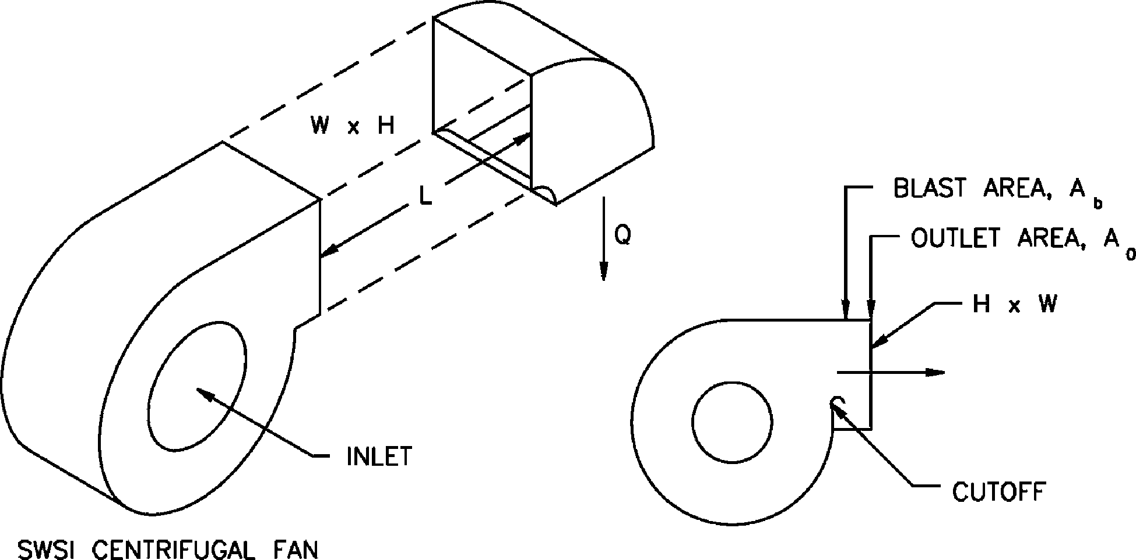
Fan Outlet, Centrifugal, SWSI, with Elbow (Position A)
Co Values
Ab/Ao | L/Le
 | 0.00 | 0.12 | 0.25 | 0.50 | 1.00 | 10.00
0.4 | 3.20 | 2.50 | 1.80 | 0.80 | 0.00 | 0.00
0.5 | 2.20 | 1.80 | 1.20 | 0.53 | 0.00 | 0.00
0.6 | 1.60 | 1.40 | 0.80 | 0.40 | 0.00 | 0.00
0.7 | 1.00 | 0.80 | 0.53 | 0.26 | 0.00 | 0.00
0.8 | 0.80 | 0.67 | 0.47 | 0.18 | 0.00 | 0.00
0.9 | 0.53 | 0.47 | 0.33 | 0.18 | 0.00 | 0.00
1.0 | 0.53 | 0.47 | 0.33 | 0.18 | 0.00 | 0.00

SR7-6
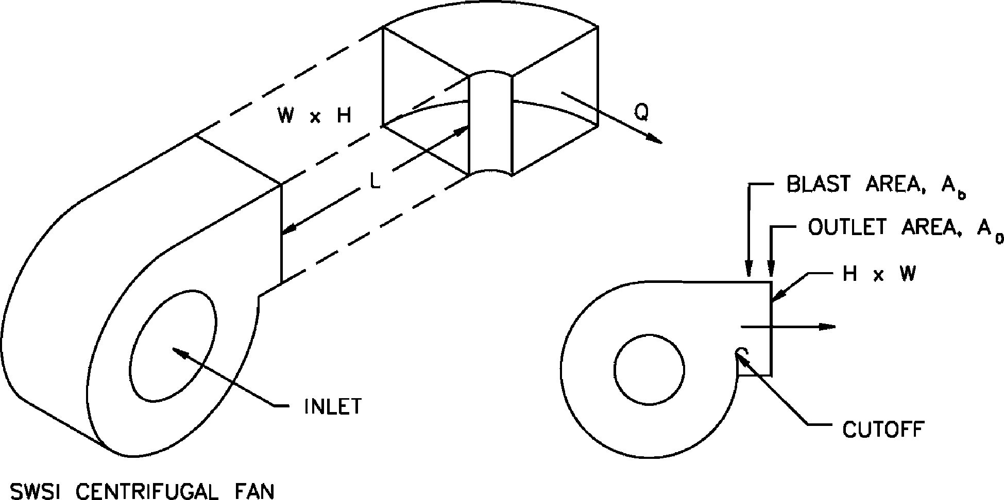
Fan Outlet, Centrifugal, SWSI, with Elbow (Position B)
Co Values
Ab /Ao | L/Le
 | 0.00 | 0.12 | 0.25 | 0.50 | 1.00 | 10.00
0.4 | 3.80 | 3.20 | 2.20 | 1.00 | 0.00 | 0.00
0.5 | 2.90 | 2.20 | 1.60 | 0.67 | 0.00 | 0.00
0.6 | 2.00 | 1.60 | 1.20 | 0.53 | 0.00 | 0.00
0.7 | 1.40 | 1.00 | 0.67 | 0.33 | 0.00 | 0.00
0.8 | 1.00 | 0.80 | 0.53 | 0.26 | 0.00 | 0.00
0.9 | 0.80 | 0.67 | 0.47 | 0.18 | 0.00 | 0.00
1.0 | 0.67 | 0.53 | 0.40 | 0.18 | 0.00 | 0.00

SR7-7
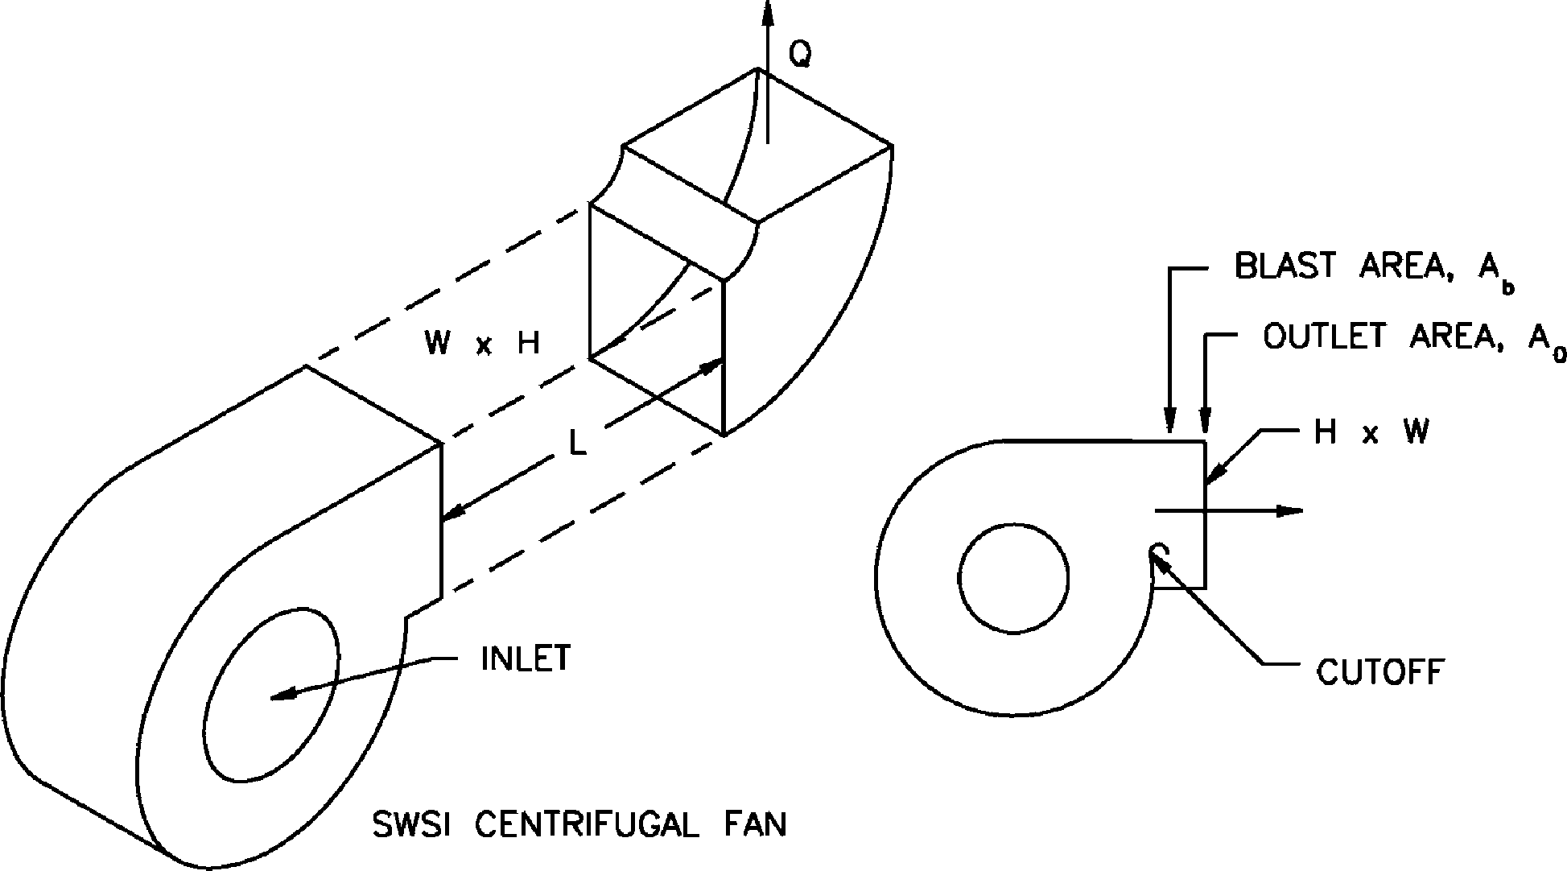
Fan Outlet, Centrifugal, SWSI, with Elbow (Position C)
Co Values
Ab/Ao | L/Le
 | 0.00 | 0.12 | 0.25 | 0.50 | 1.00 | 10.00
0.4 | 5.50 | 4.50 | 3.20 | 1.60 | 0.00 | 0.00
0.5 | 3.80 | 3.20 | 2.20 | 1.00 | 0.00 | 0.00
0.6 | 2.90 | 2.50 | 1.60 | 0.80 | 0.00 | 0.00
0.7 | 2.00 | 1.60 | 1.00 | 0.53 | 0.00 | 0.00
0.8 | 1.40 | 1.20 | 0.80 | 0.33 | 0.00 | 0.00
0.9 | 1.20 | 0.80 | 0.67 | 0.26 | 0.00 | 0.00
1.0 | 1.00 | 0.80 | 0.53 | 0.26 | 0.00 | 0.00

SR7-8
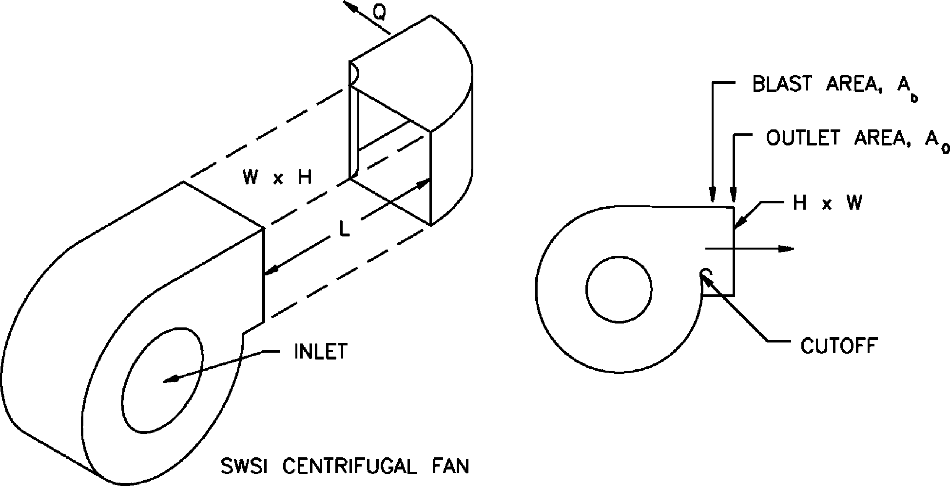
Fan Outlet, Centrifugal, SWSI, with Elbow (Position D)
Co Values
Ab /Ao | L/Le
 | 0.00 | 0.12 | 0.25 | 0.50 | 1.00 | 10.00
0.4 | 5.50 | 4.50 | 3.20 | 1.60 | 0.00 | 0.00
0.5 | 3.80 | 3.20 | 2.20 | 1.00 | 0.00 | 0.00
0.6 | 2.90 | 2.50 | 1.60 | 0.80 | 0.00 | 0.00
0.7 | 2.00 | 1.60 | 1.00 | 0.53 | 0.00 | 0.00
0.8 | 1.40 | 1.20 | 0.80 | 0.33 | 0.00 | 0.00
0.9 | 1.20 | 0.80 | 0.67 | 0.26 | 0.00 | 0.00
1.0 | 1.00 | 0.80 | 0.53 | 0.26 | 0.00 | 0.00

SR7-9
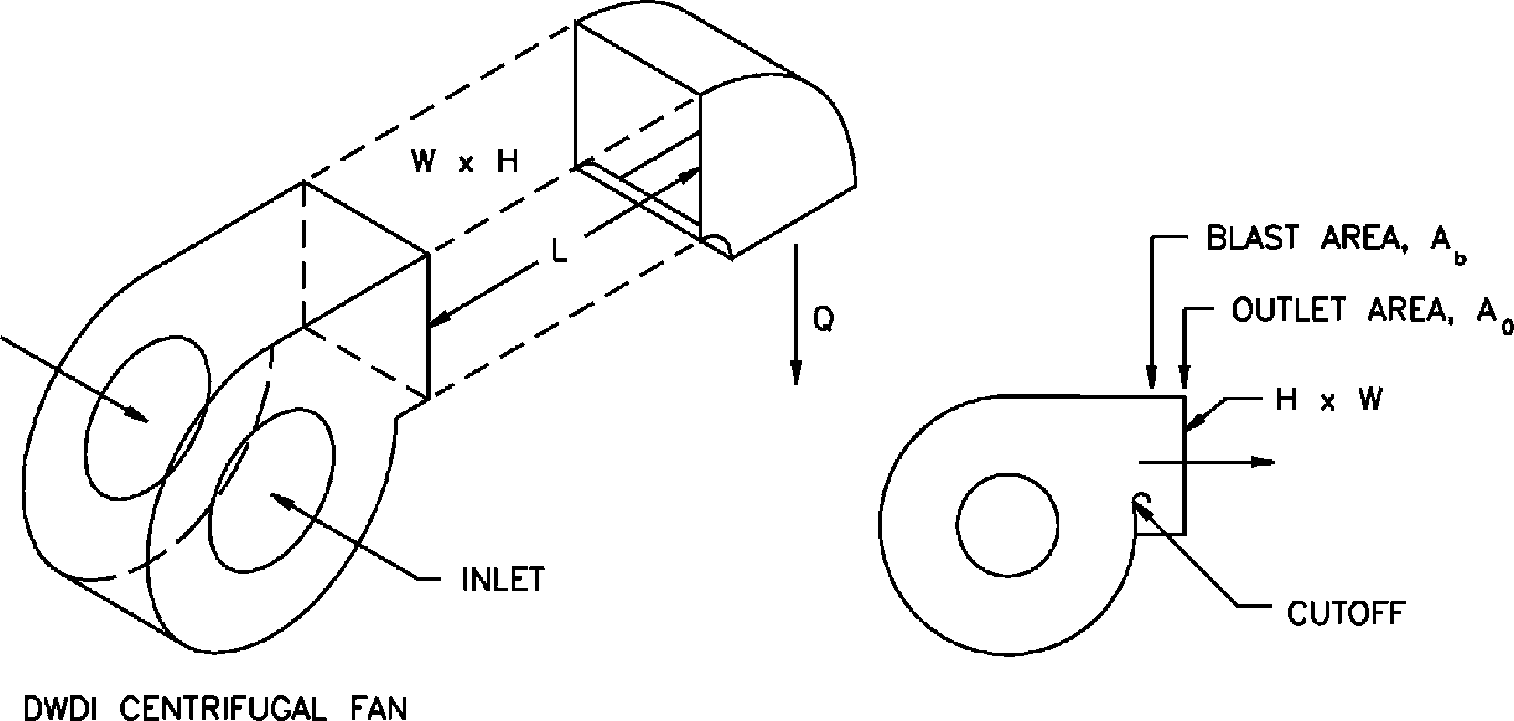
Fan Outlet, Centrifugal, DWDI, with Elbow (Position A)
Co Values
Ab /Ao | L/Le
 | 0.00 | 0.12 | 0.25 | 0.50 | 1.00 | 10.00
0.4 | 3.20 | 2.50 | 1.80 | 0.80 | 0.00 | 0.00
0.5 | 2.20 | 1.80 | 1.20 | 0.53 | 0.00 | 0.00
0.6 | 1.60 | 1.40 | 0.80 | 0.40 | 0.00 | 0.00
0.7 | 1.00 | 0.80 | 0.53 | 0.26 | 0.00 | 0.00
0.8 | 0.80 | 0.67 | 0.47 | 0.18 | 0.00 | 0.00
0.9 | 0.53 | 0.47 | 0.33 | 0.18 | 0.00 | 0.00
1.0 | 0.53 | 0.47 | 0.33 | 0.18 | 0.00 | 0.00

SR7-10
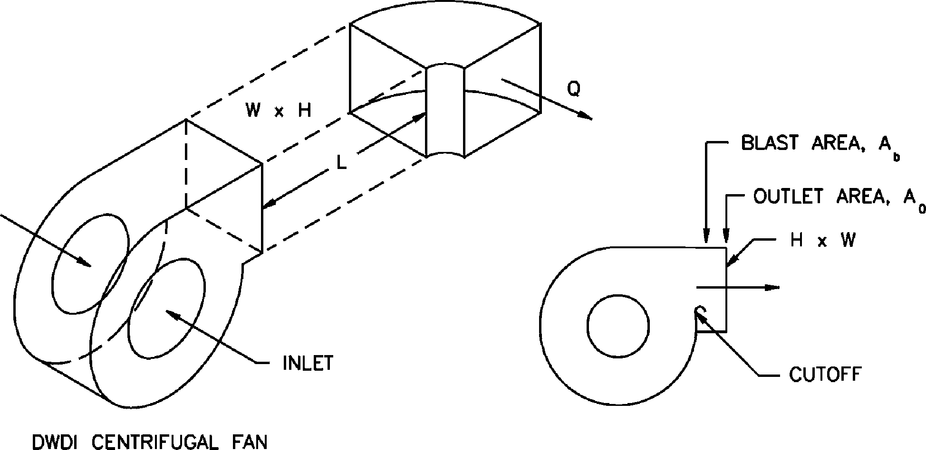
Fan Outlet, Centrifugal, DWDI, with Elbow (Position B)
Co Values
Ab /Ao | L/Le
 | 0.00 | 0.12 | 0.25 | 0.50 | 1.00 | 10.00
0.4 | 4.80 | 4.00 | 2.90 | 1.30 | 0.00 | 0.00
0.5 | 3.60 | 2.90 | 2.00 | 0.84 | 0.00 | 0.00
0.6 | 2.50 | 2.00 | 1.50 | 0.66 | 0.00 | 0.00
0.7 | 1.80 | 1.30 | 0.84 | 0.41 | 0.00 | 0.00
0.8 | 1.25 | 1.00 | 0.66 | 0.33 | 0.00 | 0.00
0.9 | 1.00 | 0.84 | 0.59 | 0.23 | 0.00 | 0.00
1.0 | 0.84 | 0.66 | 0.50 | 0.23 | 0.00 | 0.00

SR7-11
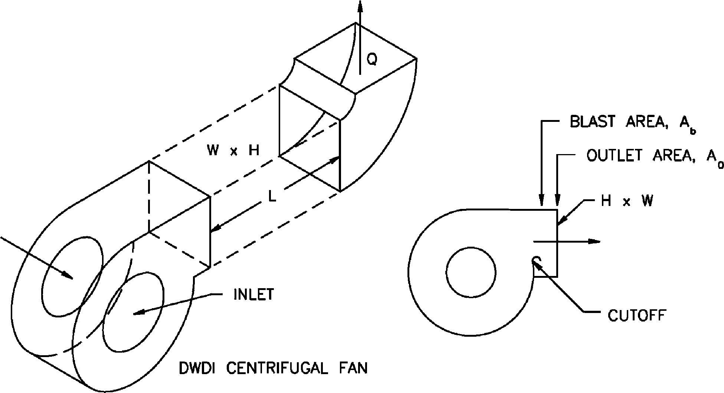
Fan Outlet, Centrifugal, DWDI, with Elbow (Position C)
Co Values
Ab /Ao | L/Le
 | 0.00 | 0.12 | 0.25 | 0.50 | 1.00 | 10.00
0.4 | 5.50 | 4.50 | 3.20 | 1.60 | 0.00 | 0.00
0.5 | 3.80 | 3.20 | 2.20 | 1.00 | 0.00 | 0.00
0.6 | 2.90 | 2.50 | 1.60 | 0.80 | 0.00 | 0.00
0.7 | 2.00 | 1.60 | 1.00 | 0.53 | 0.00 | 0.00
0.8 | 1.40 | 1.20 | 0.80 | 0.33 | 0.00 | 0.00
0.9 | 1.20 | 0.80 | 0.67 | 0.26 | 0.00 | 0.00
1.0 | 1.00 | 0.80 | 0.53 | 0.26 | 0.00 | 0.00

SR7-12
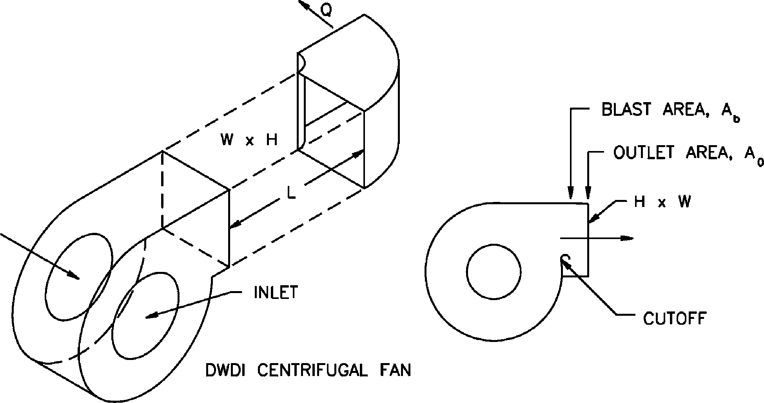
Fan Outlet, Centrifugal, DWDI, with Elbow (Position D)
Co Values
Ab /Ao | L/Le
 | 0.00 | 0.12 | 0.25 | 0.50 | 1.00 | 10.00
0.4 | 4.70 | 3.80 | 2.70 | 1.40 | 0.00 | 0.00
0.5 | 3.20 | 2.70 | 1.90 | 0.85 | 0.00 | 0.00
0.6 | 2.50 | 2.10 | 1.40 | 0.68 | 0.00 | 0.00
0.7 | 1.70 | 1.40 | 0.85 | 0.45 | 0.00 | 0.00
0.8 | 1.20 | 1.00 | 0.68 | 0.26 | 0.00 | 0.00
0.9 | 1.00 | 0.68 | 0.57 | 0.22 | 0.00 | 0.00
1.0 | 0.85 | 0.68 | 0.45 | 0.22 | 0.00 | 0.00

SR7-17
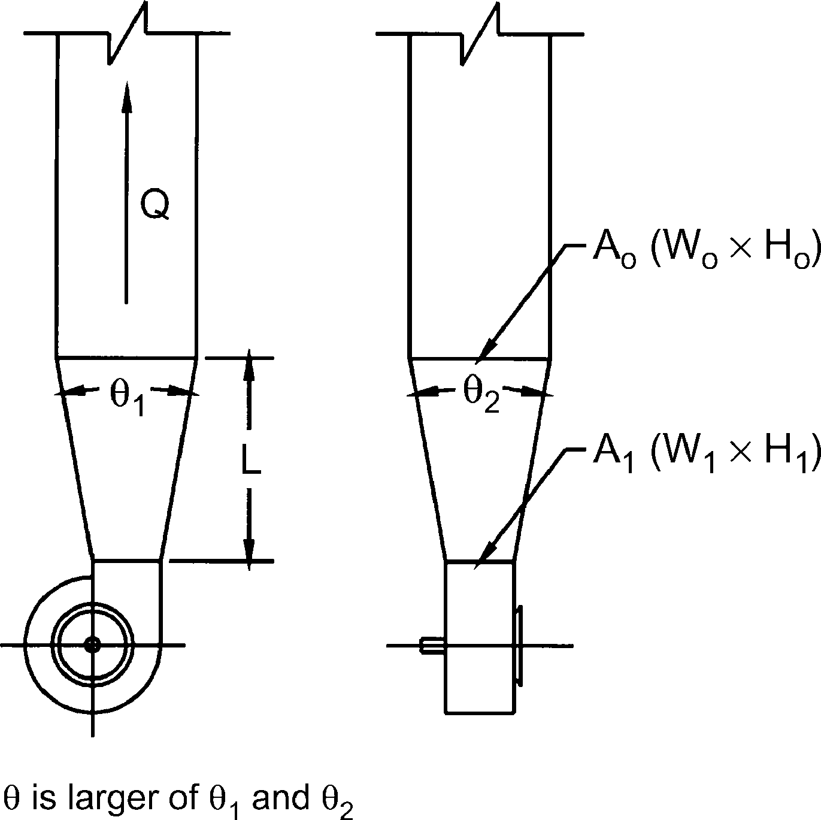
Pyramidal Diffuser at Centrifugal Fan Outlet with Ductwork
C1 Values
θ | Ao /A1
 | 1.5 | 2.0 | 2.5 | 3.0 | 3.5 | 4.0
0 | 0.00 | 0.00 | 0.00 | 0.00 | 0.00 | 0.00
10 | 0.10 | 0.18 | 0.21 | 0.23 | 0.24 | 0.25
15 | 0.23 | 0.33 | 0.38 | 0.40 | 0.42 | 0.44
20 | 0.31 | 0.43 | 0.48 | 0.53 | 0.56 | 0.58
25 | 0.36 | 0.49 | 0.55 | 0.58 | 0.62 | 0.64
30 | 0.42 | 0.53 | 0.59 | 0.64 | 0.67 | 0.69

